Fig_S1
Figure S1: | Results for naturalness assessment for scenarios with enhanced protection (ep) using studies for reference data set

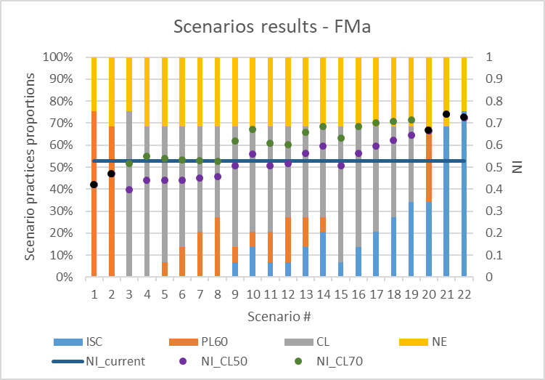
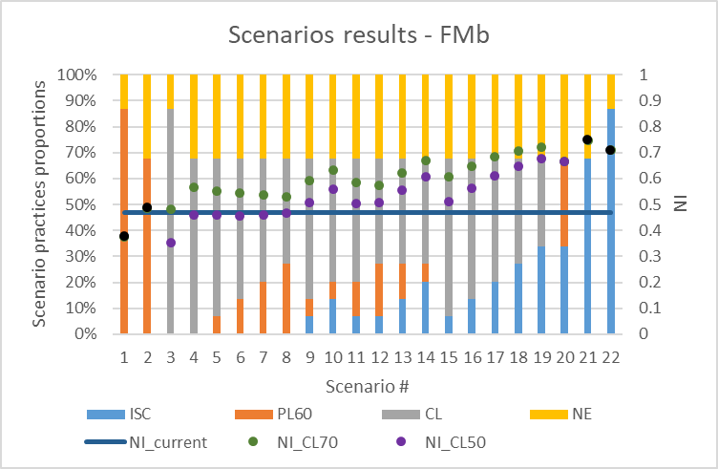

Note: Scenario sequential number in the table are different than Sce# on the figures where CL50 and CL70 are presented in the same column

Fig_S2
Figure S2: | Results for naturalness assessment for scenarios with enhanced protection (ep) using registery for reference data set

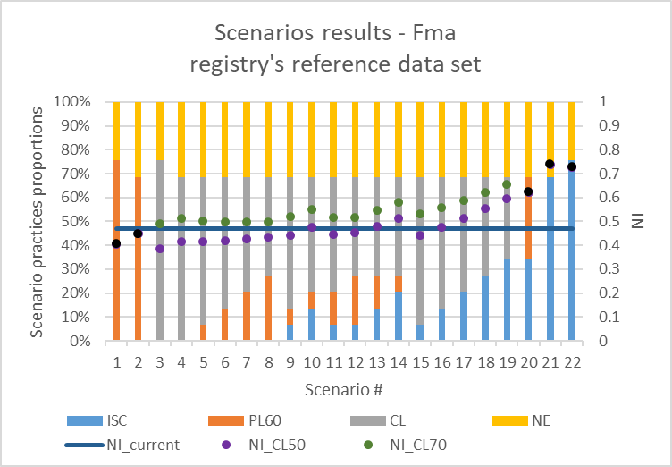
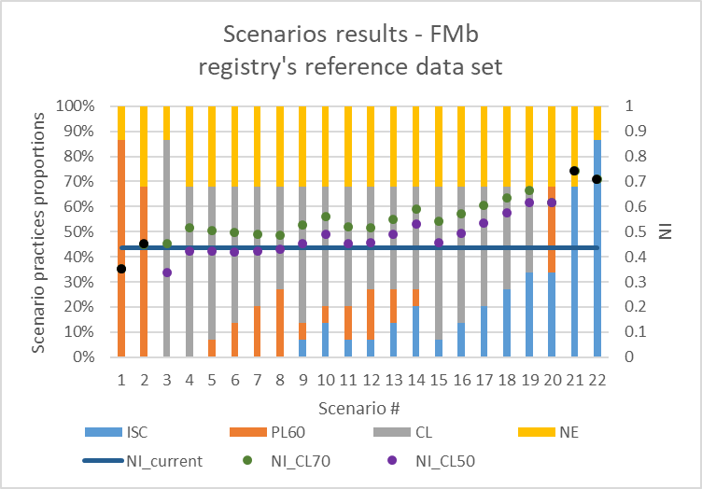

Note: Scenario sequential number in the table are different than Sce# on the figures where CL50 and CL70 are presented in the same column

Fig_S3
Figure S3: | Results for naturalness assessment for scenarios with initial protection (ip) using studies for reference data set

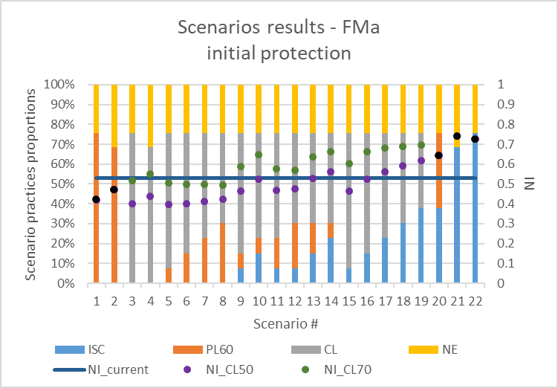
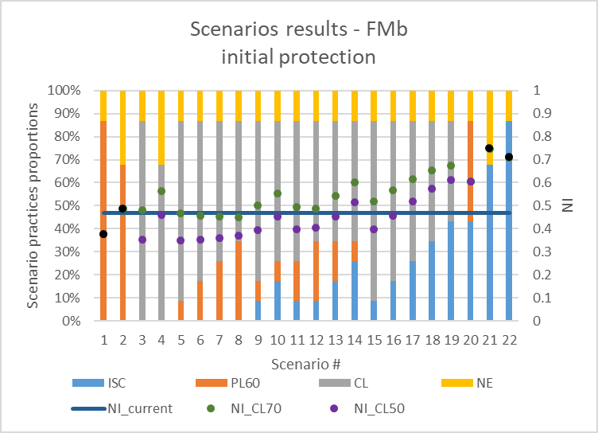

Note: Scenario sequential number in the table are different than Sce# on the figures where CL50 and CL70 are presented in the same column

Fig_S4
Figure S4: | Results for naturalness assessment for scenarios with enhanced protection (ep) and PL50 (instead of PL60) using studies for reference data set

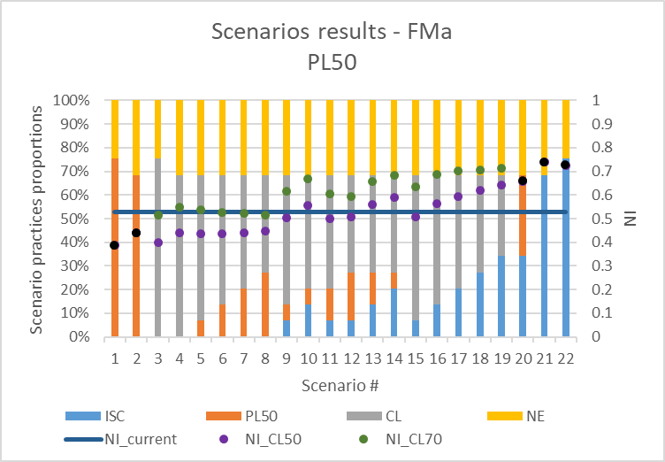
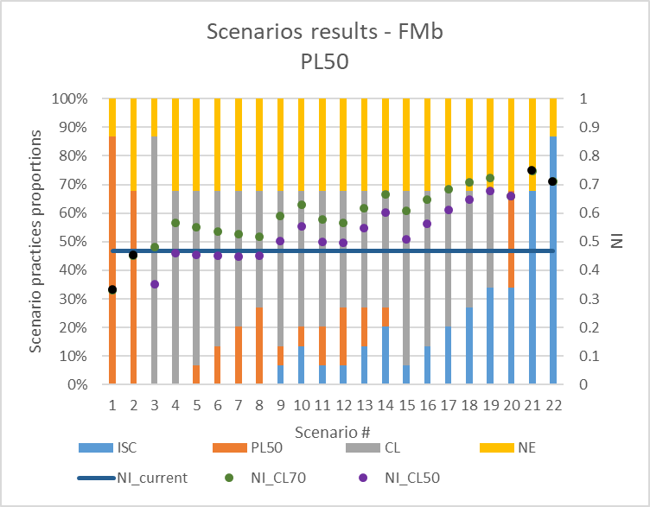

Note: Scenario sequential number in the table are different than Sce# on the figures where CL50 and CL70 are presented in the same column

Fig_S5
Figure S5: | Results for naturalness assessment for scenarios with initial protection (ip) and PL50 (instead of PL60) using studies for reference data set

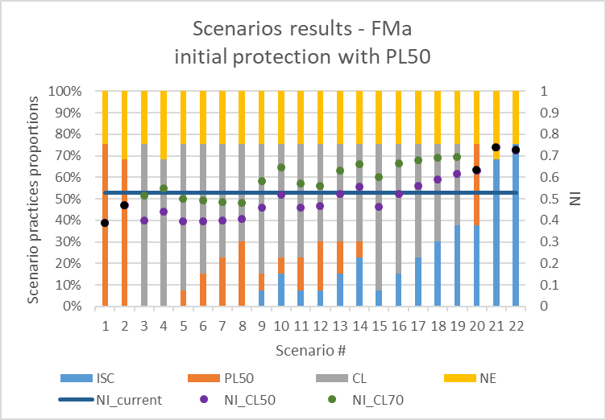
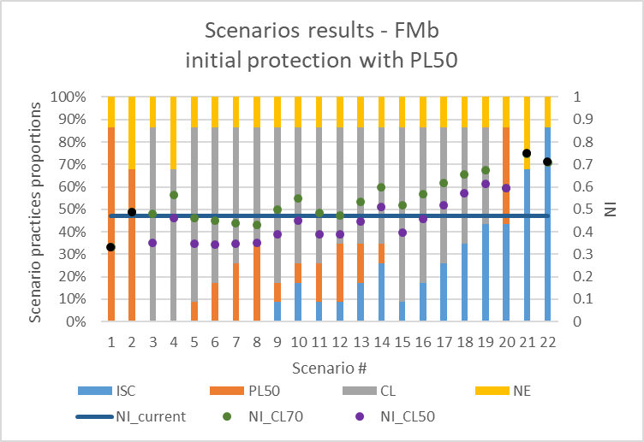

Note: Scenario sequential number in the table are different than Sce# on the figures where CL50 and CL70 are presented in the same column

Fig_S6
Figure S6: | Results for naturalness assessment for scenarios with enhanced protection (ep) and PL50 (instead of PL60), with 90% of spruce at maturity (instead of 50%) using studies for reference data set
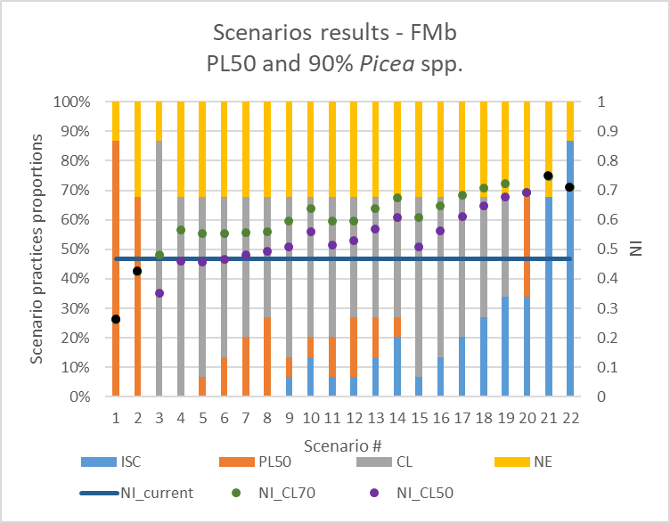
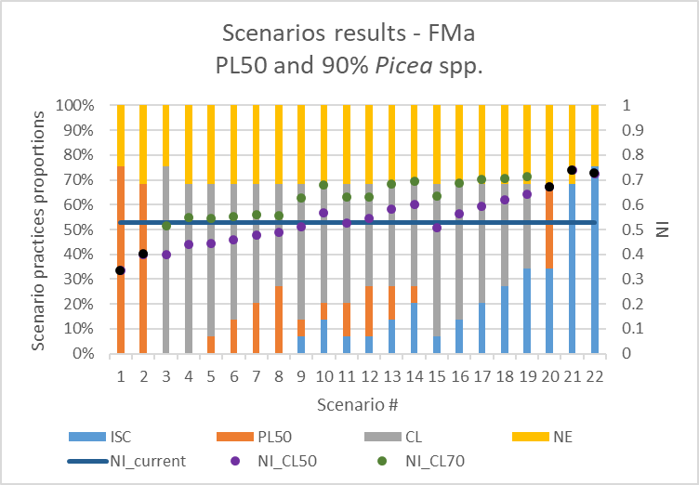

Note: Scenario sequential number in the table are different than Sce# on the figures where CL50 and CL70 are presented in the same column

Fig_S7
Figure S7: | Results for naturalness assessment for scenarios with enhanced protection (ep) and alternate set of NDP factors using studies for reference data set

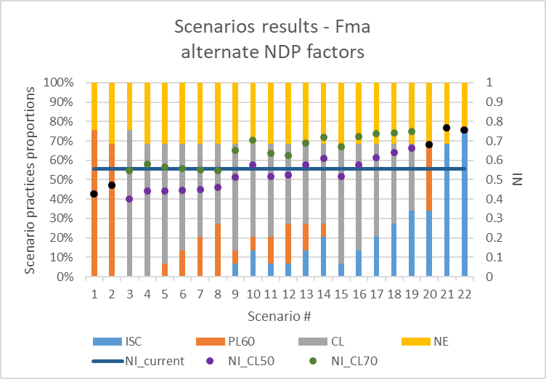
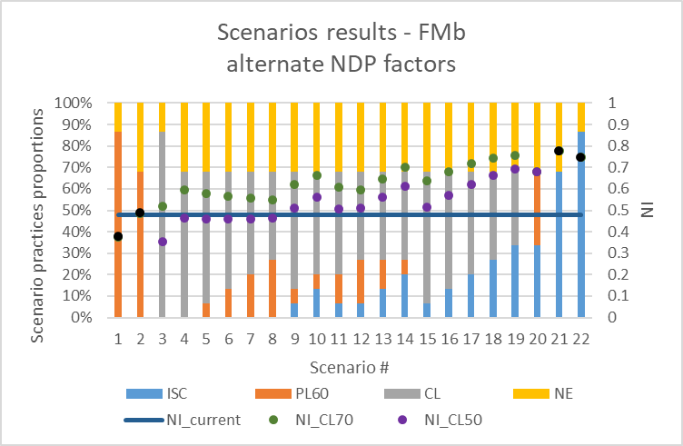

Note: Scenario sequential number in the table are different than Sce# on the figures where CL50 and CL70 are presented in the same column

sensitivity_analysis
Results of sensitivity analysis for scenarios with enhanced protection involving 100% of each practice tested

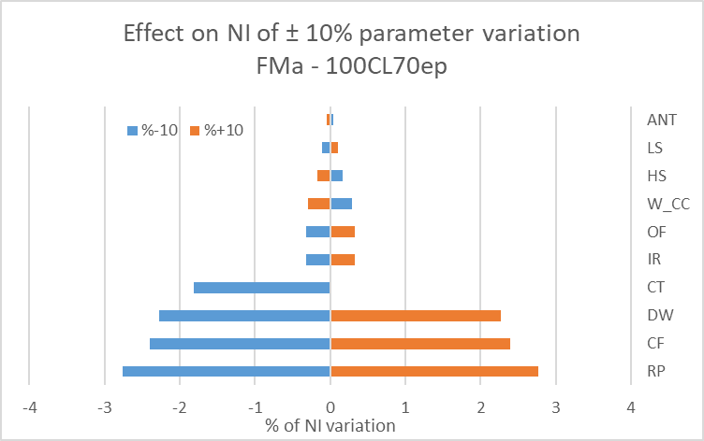
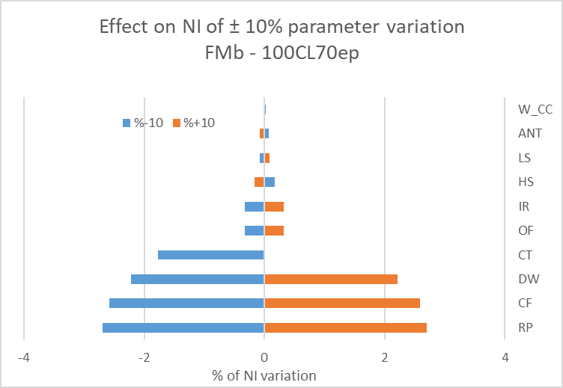

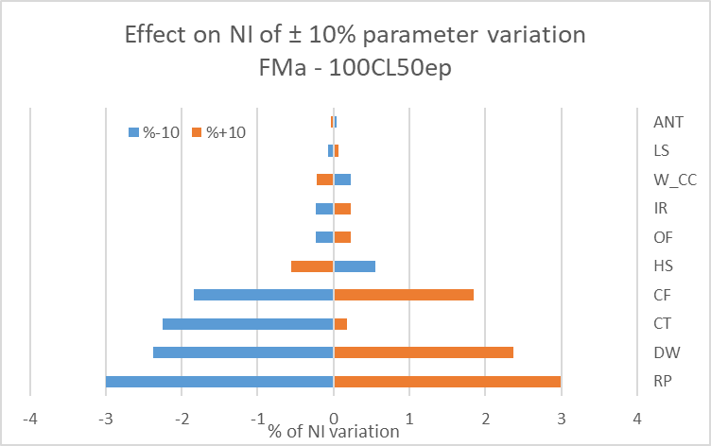
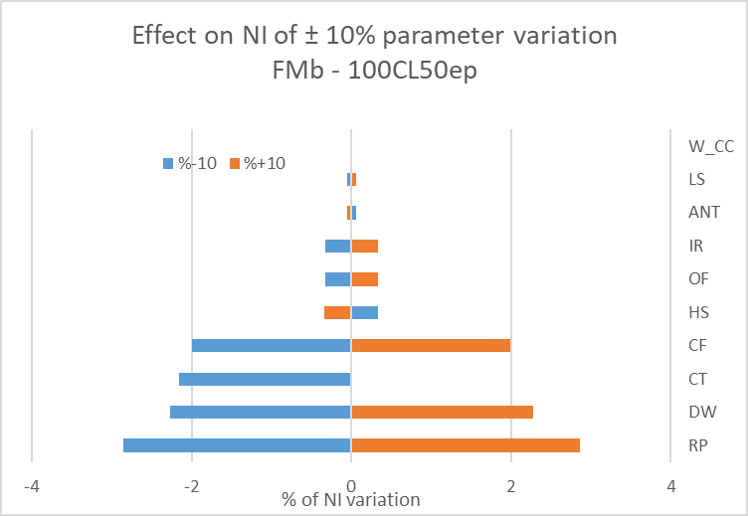

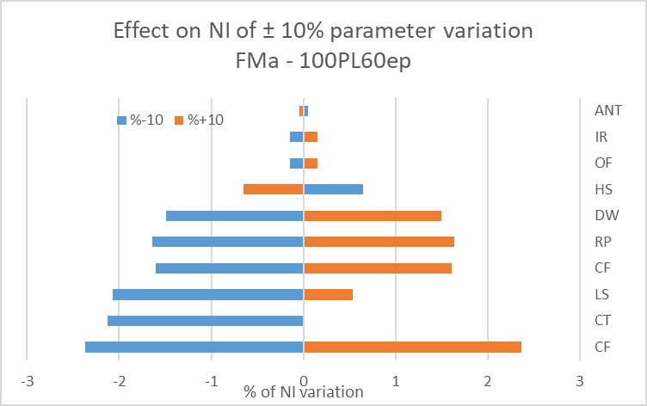
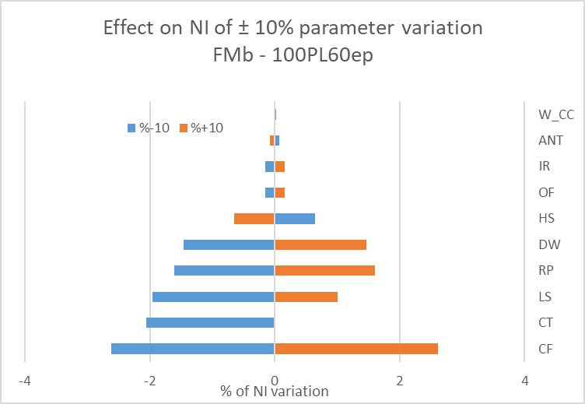

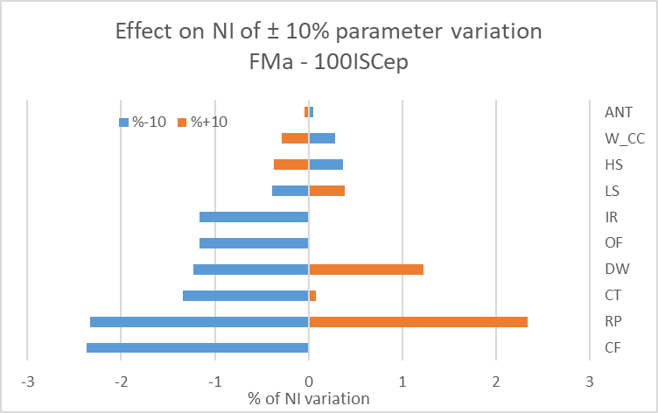
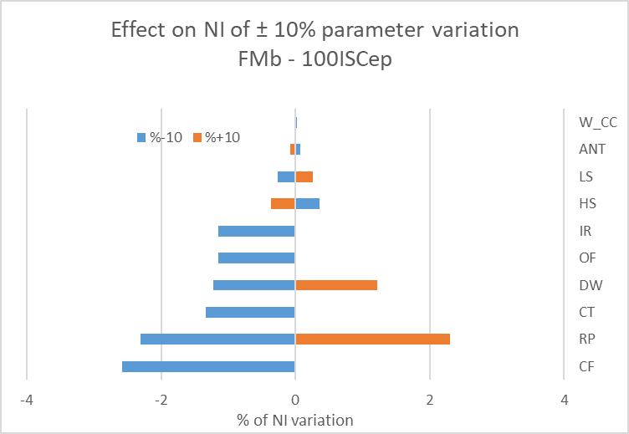

Results of the sensitivity analysis testing a variation of 10% of the parameter value on the 100% scenarios assessments. (a) FMa, CL70; (b) FMb, CL70; (c) FMa, CL50; (d) FMb, CL50; (e) FMa, PL60; (f) FMb, PL60; (g) FMa, ISC; (h) FMb, ISC. CF: closed forests; ANT: anthropization; W_CC: humid area in clearcut; CT: cover type; LS: late successional species; OF: old forests; IR: irregular stands; HS: horizontal structure; DW: dead wood; RP: regeneration process.

