1.2.lw_rw
Fractions lake water/river water for the freshwater ecosystem

Based on the IUCN Red List (2024), species are classified in different habitats. Only the category of habitat river or lake are kept. Fractions of species in lakes or rivers are calculated.

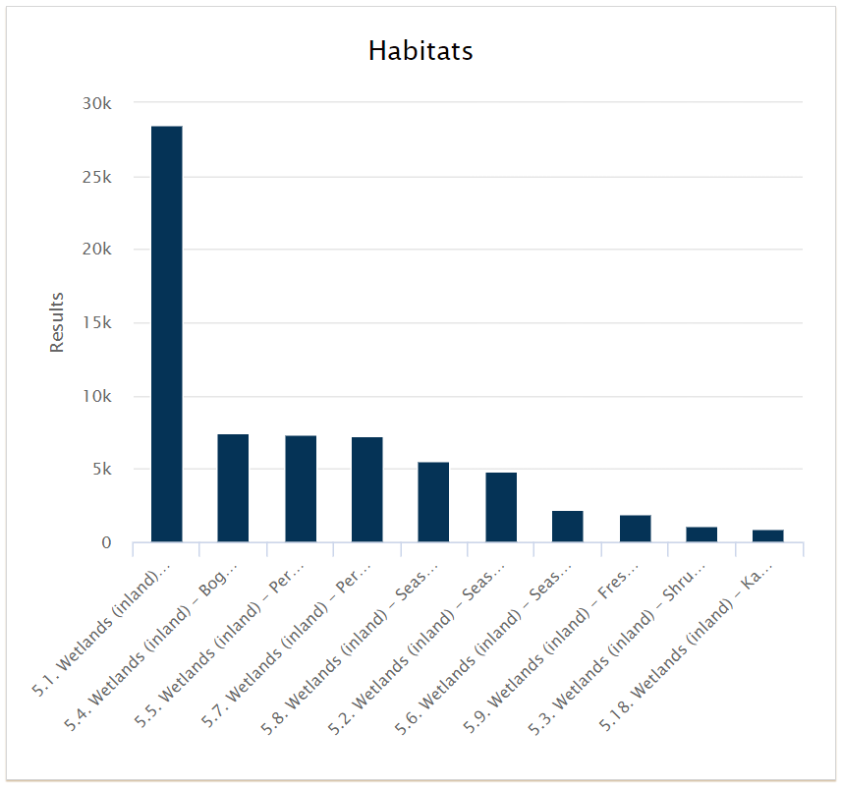
Habitat | Number of species | Category
5.1. Wetlands (inland) - Permanent Rivers/Streams/Creeks (includes waterfalls) | 28524 | river
5.2. Wetlands (inland) - Seasonal/Intermittent/Irregular Rivers/Streams/Creeks | 4847 | river
5.3. Wetlands (inland) - Shrub Dominated Wetlands | 1103 | wetland
5.4. Wetlands (inland) - Bogs, Marshes, Swamps, Fens, Peatlands | 7401 | wetland
5.5. Wetlands (inland) - Permanent Freshwater Lakes (over 8ha) | 7344 | lake
5.6. Wetlands (inland) - Seasonal/Intermittent Freshwater Lakes (over 8ha) | 2243 | lake
5.7. Wetlands (inland) - Permanent Freshwater Marshes/Pools (under 8ha) | 7224 | wetland
5.8. Wetlands (inland) - Seasonal/Intermittent Freshwater Marshes/Pools (under 8ha) | 5539 | wetland
5.9. Wetlands (inland) - Freshwater Springs and Oases | 1910 | lake
5.10. Wetlands (inland) - Tundra Wetlands (incl. pools and temporary waters from snowmelt) | 156 | lake
5.11. Wetlands (inland) - Alpine Wetlands (includes temporary waters from snowmelt) | 288 | lake
5.12. Wetlands (inland) - Geothermal Wetlands | 95 | ground water
5.13. Wetlands (inland) - Permanent Inland Deltas | 360 | river
5.14. Wetlands (inland) - Permanent Saline, Brackish or Alkaline Lakes | 442 | saline water
5.15. Wetlands (inland) - Seasonal/Intermittent Saline, Brackish or Alkaline Lakes and Flats | 234 | saline water
5.16. Wetlands (inland) - Permanent Saline, Brackish or Alkaline Marshes/Pools | 496 | saline water
5.17. Wetlands (inland) - Seasonal/Intermittent Saline, Brackish or Alkaline Marshes/Pools | 234 | saline water
5.18. Wetlands (inland) - Karst and Other Subterranean Hydrological Systems (inland) | 890 | ground water
TOTAL | 69330

 | River | Lake | TOTAL
 | 33731 | 11941 | 45672
 | 73.85% | 26.15% | 100.00%

