IW+ Results
This tab describes the result of the comparative LCA between the lightweight and traditional glazing for AoP of Impact World Plus

 | HH : Human Health
 | EQ: Ecosystem Quality

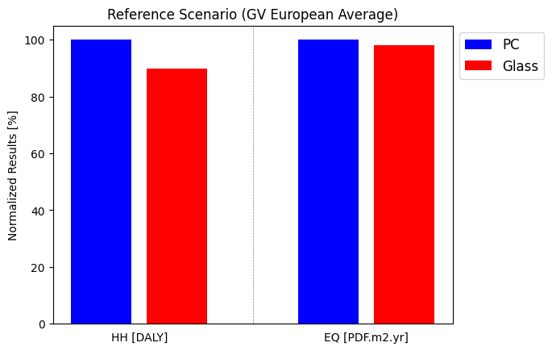
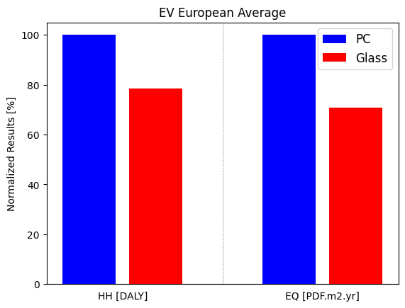
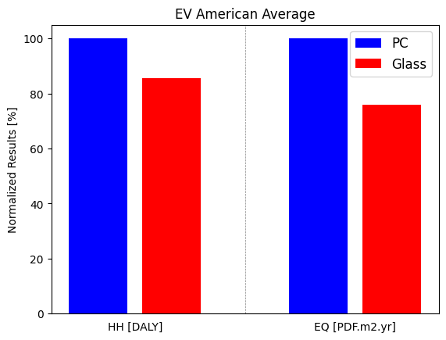
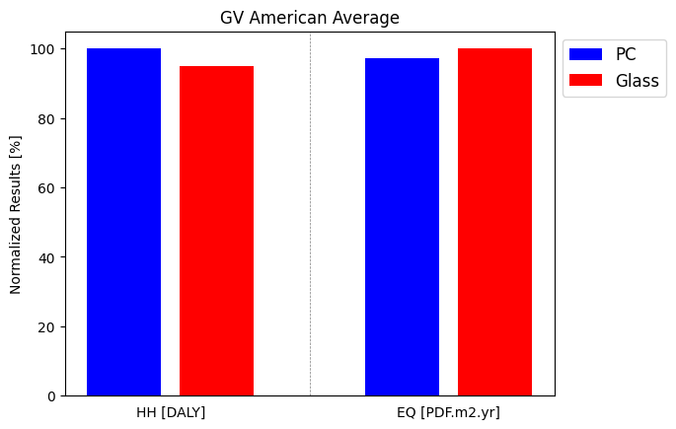

 |  | Figure S1: LCA Comparison of PC and traditional glass glazing for the Reference Scenario (European Average GV) and for HH and EQ indicators from IW+ | Figure S2: LCA Comparison of PC and traditional glass glazing for the American Average GV scenario and for HH and EQ indicators from IW+ | Figure S3: LCA Comparison of PC and traditional glass glazing for the European Average Electric Vehicle scenario and for HH and EQ indicators from IW+ | Figure S4: LCA Comparison of PC and traditional glass glazing for the American Average Electric Vehicle scenario and for HH and EQ indicators from IW+

