Figure 1c
Repeat 1 | Repeat 2 | shown in manuscript
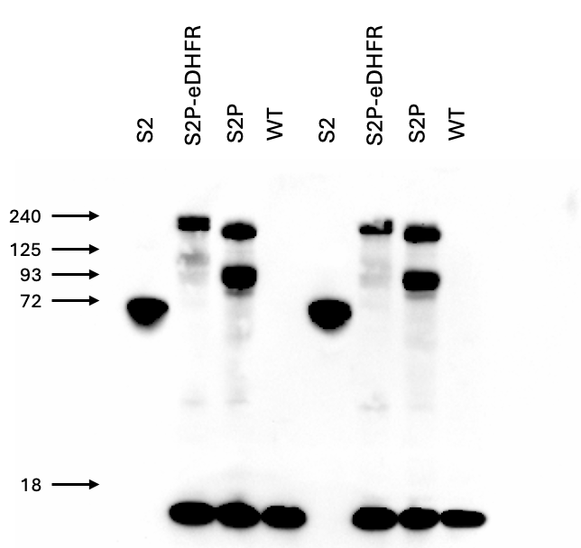
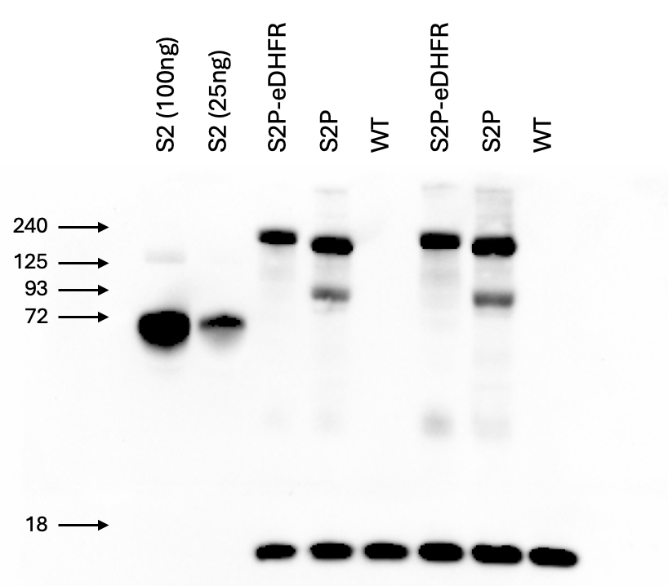
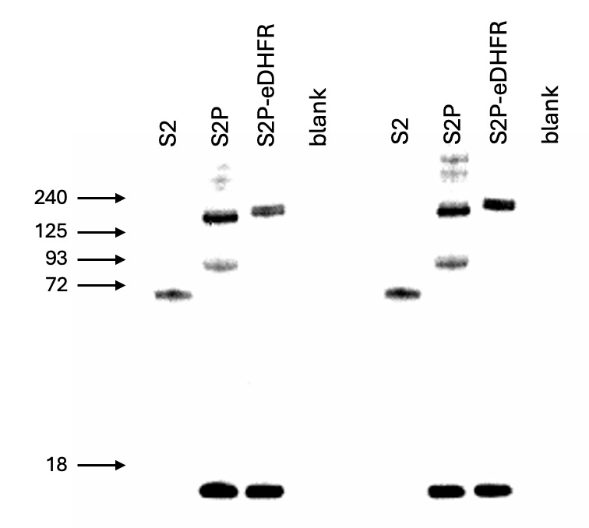

S2P
S2P
S2P

COX IV
COX IV
COX IV

