Gel 1
 |  | 1 Gel A 1-25 |  |  | Absolute values |  |  | group average |  |  | % of control
Disease status | Sex | Tau-13 | PS199 | Total Protein | Tau-13/Ponceau | PS199/Ponceau | PS199/Tau 13 | Tau-13/Ponceau | PS199/Ponceau | PS199/Tau 13 | Tau-13/Ponceau | PS199/Ponceau | PS199/Tau 13
CTRL | F | 3,396.40 | 6,286.94 | 22107.714 | 0.15362972368 | 0.28437755174 | 1.85 |  |  |  | 125.03 | 113.35 | 88.65
CTRL | M | 2,881.52 | 5,777.08 | 25299.179 | 0.11389760335 | 0.22835043818 | 2.00 |  |  |  | 92.69 | 91.02 | 96.02
CTRL | F | 2,647.69 | 5,717.75 | 26983.643 | 0.098122094989 | 0.21189676831 | 2.16 |  |  |  | 79.86 | 84.46 | 103.42
CTRL | F | 4,243.85 | 7,175.01 | 21134.128 | 0.20080566212 | 0.33949864669 | 1.69 |  |  |  | 163.42 | 135.32 | 80.97
CTRL | M | 3,076.69 | 7,270.18 | 28962.957 | 0.10622852509 | 0.25101657533 | 2.36 |  |  |  | 86.45 | 100.05 | 113.17
CTRL | M | 2,771.99 | 7,949.90 | 25489.957 | 0.10874832016 | 0.31188368664 | 2.87 |  |  |  | 88.50 | 124.32 | 137.35 | Gel 1 A 1-25 Tau-13 | Gel 1 A 1-25 PS199
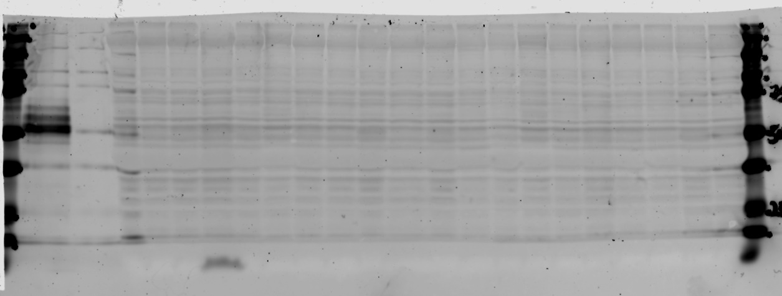
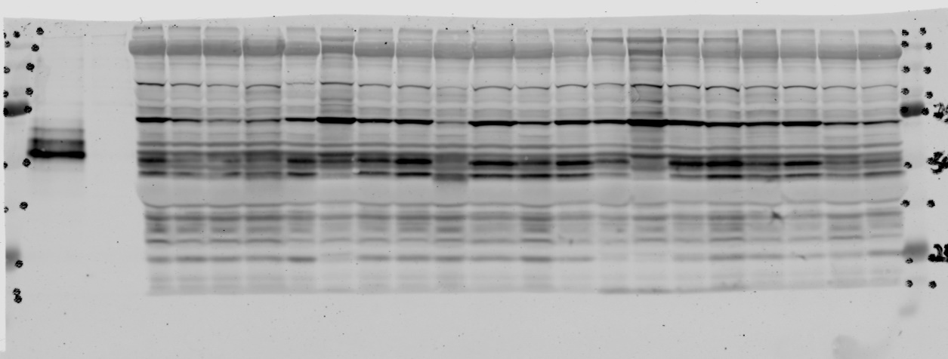
CTRL | F | 2,487.22 | 4,834.26 | 24031.614 | 0.1034977313 | 0.20116231078 | 1.94 |  |  |  | 84.23 | 80.18 | 93.08
CTRL | M | 2,692.26 | 4,910.47 | 27453.543 | 0.098066124922 | 0.17886455307 | 1.82 | 0.12 | 0.25 | 2.09 | 79.81 | 71.29 | 87.35
PHD | F | 2,593.14 | 5,066.00 | 26800.371 | 0.096757515685 | 0.18902724078 | 1.95 |  |  |  | 78.75 | 75.35 | 93.56
PHD | F | 2,486.18 | 5,381.09 | 28467.321 | 0.087334388703 | 0.18902689586 | 2.16 |  |  |  | 71.08 | 75.35 | 103.66
preHD | F | 3,273.79 | 12,710.90 | 31880.907 | 0.10268796754 | 0.39869957275 | 3.88 |  |  |  | 83.57 | 158.92 | 185.94
PHD | M | 3,110.06 | 7,997.03 | 27316.35 | 0.11385338503 | 0.29275614898 | 2.57 |  |  |  | 92.66 | 116.69 | 123.14
HD | M | 2,934.92 | 5,732.85 | 27702.492 | 0.10594430269 | 0.20694331847 | 1.95 |  |  |  | 86.22 | 82.49 | 93.55
PHD | M | 2,761.96 | 7,353.98 | 25599.007 | 0.10789312972 | 0.2872759095 | 2.66 |  |  |  | 87.81 | 114.51 | 127.51
preHD | M | 2,596.16 | 5,752.67 | 23870.2 | 0.10876167691 | 0.24099806641 | 2.22 |  |  |  | 88.51 | 96.06 | 106.12
HD | M | 2,779.29 | 5,536.89 | 23258.785 | 0.11949424768 | 0.23805597871 | 1.99 |  |  |  | 97.25 | 94.89 | 95.41
preHD |  | 3,005.71 | 7,927.43 | 22719.685 | 0.13229531554 | 0.348923212 | 2.64 |  |  |  | 107.67 | 139.08 | 126.31
HD |  | 2,826.75 | 4,986.19 | 27355.442 | 0.10333414276 | 0.1822743316 | 1.76 |  |  |  | 84.10 | 72.65 | 84.48 | Gel 1 B 15-25 Tau-13 | Gel 1 B 15-25 PS199
preHD |  | 2,835.25 | 6,418.20 | 21081.765 | 0.13448830611 | 0.30444321107 | 2.26 |  |  |  | 109.45 | 121.35 | 108.41
preHD |  | 3,326.15 | 9,145.94 | 27192.735 | 0.12231775542 | 0.33633751997 | 2.75 |  |  |  | 99.55 | 134.06 | 131.69
HD | M | 6,661.75 | 6,080.97 | 21550.3 | 0.30912558437 | 0.28217552129 | 0.91 |  |  |  | 251.58 | 112.47 | 43.72

 |  |  |  |  |  |  |  |  |  |  |  |  |  |  |  | PLT Gel 1 A-B Ponceau Red

 |  | 1 Gel B 10-25 |  |  | Absolute values |  |  | group average |  |  | % of control
Disease status | Sex | Tau-13 | PS199 | Total Protein | Tau-13/Ponceau | PS199/Ponceau | PS199/Tau 13 | Tau-13/Ponceau | PS199/Ponceau | PS199/Tau 13 | Tau-13/Ponceau | PS199/Ponceau | PS199/Tau 13
CTRL | F | 2,231.96 | 6,102.18 | 24888.002 | 0.089680214132 | 0.24518573257 | 2.73 |  |  |  | 106.11188713 | 74.047702411 | 69.263270434
CTRL | M | 1,588.04 | 4,526.07 | 21481.428 | 0.073926075889 | 0.21069700526 | 2.85 |  |  |  | 87.471194136 | 63.631880129 | 72.204646266
CTRL | F | 1,849.82 | 5,623.08 | 22060.713 | 0.083851194977 | 0.25489129135 | 3.04 |  |  |  | 99.214844914 | 76.978844938 | 77.01054148
CTRL | M | 2,328.93 | 7,384.66 | 23227.186 | 0.1002674824 | 0.31793174586 | 3.17 |  |  |  | 118.63900948 | 96.017476455 | 80.330083821
CTRL | M | 1,425.34 | 6,505.58 | 17987.571 | 0.079240501117 | 0.36167096061 | 4.56 |  |  |  | 93.759355861 | 109.22700673 | 115.63008955
CTRL | M | 1,650.58 | 6,883.00 | 17807.872 | 0.092687950878 | 0.38651430391 | 4.17 |  |  |  | 109.67071697 | 116.72985966 | 105.64445946
CTRL | F | 1,530.15 | 6,636.26 | 20400.6 | 0.075004938785 | 0.3252973051 | 4.34 |  |  |  | 88.747731876 | 98.241923747 | 109.87402649
CTRL | F | 1,417.83 | 9,516.55 | 17405.328 | 0.081459777571 | 0.5467606392 | 6.71 | 0.08 | 0.33 | 3.95 | 96.385259634 | 165.12530593 | 170.04288249
HD | F | 1,651.80 | 5,223.15 | 17771.692 | 0.092945724245 | 0.29390269395 | 3.16 |  |  |  | 109.97572091 | 88.760544876 | 80.108497582
HD | M | 1,397.86 | 9,409.34 | 17986.55 | 0.077717047773 | 0.52313212116 | 6.73 |  |  |  | 91.95676751 | 157.98933822 | 170.52950371
HD | F | 1,517.87 | 5,761.22 | 18771.136 | 0.080861972694 | 0.30691907653 | 3.80 |  |  |  | 95.677921852 | 92.69157795 | 96.157682179
HD | M | 1,142.05 | 7,337.32 | 17771.692 | 0.064262131664 | 0.41286555841 | 6.42 |  |  |  | 76.036572033 | 124.68811168 | 162.76385344
HD | M | 849.07 | 4,572.34 | 16621.872 | 0.051081522723 | 0.27507965813 | 5.39 |  |  |  | 60.440943702 | 83.075864368 | 136.42660653
HD | M | 1,320.65 | 5,288.31 | 19495.742 | 0.067740555339 | 0.27125453018 | 4.00 |  |  |  | 80.152330497 | 81.920650593 | 101.4454757
HD | M | 1,238.85 | 7,447.61 | 18627.571 | 0.066506363368 | 0.39981651147 | 6.01 |  |  |  | 78.692003485 | 120.74721375 | 152.30072135
HD | F | 1,441.46 | 9,265.54 | 18947.085 | 0.076078145568 | 0.48902210038 | 6.43 |  |  |  | 90.017577161 | 147.6878878 | 162.84446599
HD | F | 1,209.51 | 6,595.46 | 15632.943 | 0.077369265141 | 0.42189496635 | 5.45 |  |  |  | 91.545262345 | 127.41505221 | 138.14663399
HD | M | 1,140.55 | 7,353.68 | 14353.621 | 0.079460788108 | 0.51232246295 | 6.45 |  |  |  | 94.020004975 | 154.7247504 | 163.34090805
HD | F | 1,533.08 | 4,927.47 | 14595.135 | 0.10504019899 | 0.337610629 | 3.21 |  |  |  | 124.28620792 | 101.96062848 | 81.42635811
HD | M | 1,900.99 | 4,333.61 | 15292.772 | 0.12430616983 | 0.28337637883 | 2.28 |  |  |  | 147.08218964 | 85.581528539 | 57.753112797

 |  |  |  |  |  |  | 35 | 2606.104
 |  |  |  |  |  |  | 36 | 8264.082

Gel 2
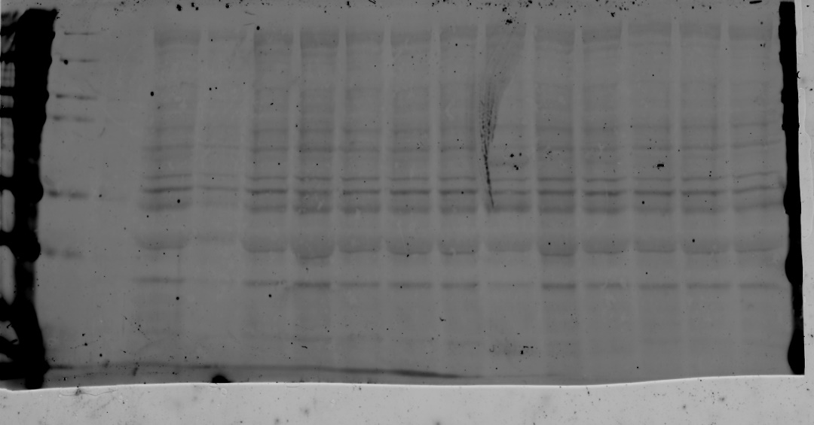
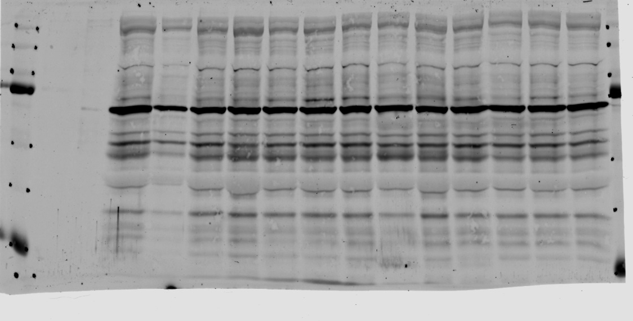
 |  | 2 Gel A 1-17 |  |  | Absolute values |  |  | group average |  |  | % of control
 |  | Tau-13 | PS199 | Total Protein | Tau-13/Ponceau | PS199/Ponceau | PS199/Tau 13 | Tau-13/Ponceau | PS199/Ponceau | PS199/Tau 13 | Tau-13/Ponceau | PS199/Ponceau | PS199/Tau 13
Ctrl | F | 1,574.13 | 3,618.52 | 26,482.11 | 0.059441241572 | 0.13664028857 | 2.2987455334 |  |  |  | 132.28050188 | 104.79508546 | 77.822804654
Ctrl | F | 382.63 | 1,173.91 | 15,351.60 | 0.024924501935 | 0.076468147365 | 3.0679909899 |  |  |  | 55.466971044 | 58.646583099 | 103.86519952
Ctrl | F | 1,121.25 | 3,226.98 | 23,185.36 | 0.048360430199 | 0.13918185535 | 2.878011109 |  |  |  | 107.62127117 | 106.74431808 | 97.433531928
Ctrl | M | 1,295.65 | 3,233.49 | 25,233.40 | 0.051346548606 | 0.12814310137 | 2.4956517009 |  |  |  | 114.26657721 | 98.278241357 | 84.488957991
Ctrl | M | 992.39 | 2,848.82 | 23,016.91 | 0.043115629145 | 0.12377072756 | 2.8706696391 |  |  |  | 95.949494176 | 94.924887147 | 97.18499038
Ctrl | M | 970.47 | 3,491.18 | 22,712.21 | 0.042728992676 | 0.15371380283 | 3.5974122769 |  |  |  | 95.08907362 | 117.8894693 | 121.78847498
Ctrl | M | 1,025.87 | 3,557.98 | 22,984.58 | 0.04463293735 | 0.15479856148 | 3.4682584359 | 0.044935754498 | 0.13038806922 | 2.953819955 | 99.326110909 | 118.72141555 | 117.41604054
PHD | F | 819.79 | 3,411.23 | 32,700.23 | 0.025069703112 | 0.10431830334 | 4.161130384 |  |  |  | 55.790101651 | 80.006018926 | 140.872851
HD | F | 1,364.81 | 3,399.98 | 25,500.94 | 0.053519932746 | 0.13332758515 | 2.491176246 |  |  |  | 119.10322491 | 102.25443627 | 84.337443851
HD | M | 1,234.88 | 3,709.84 | 26,431.63 | 0.046719699629 | 0.14035626013 | 3.0042200881 |  |  |  | 103.96999038 | 107.64501766 | 101.70626964
HD | M | 1,146.84 | 2,920.36 | 19,101.07 | 0.06004078557 | 0.15288997384 | 2.5464352671 |  |  |  | 133.61472672 | 117.25764079 | 86.208208551
HD | M | 1,044.05 | 3,465.21 | 18,627.78 | 0.056047874196 | 0.18602379608 | 3.3190160866 |  |  |  | 124.72890424 | 142.66933869 | 112.36352036
HD | M | 1,070.41 | 1,479.38 | 17,521.16 | 0.061092546429 | 0.084433859487 | 1.382064825 |  |  |  | 135.95531468 | 64.755816996 | 46.789067919 | Gel 2 A 1-17 Tau-13 | Gel 2 A 1-17 PS199
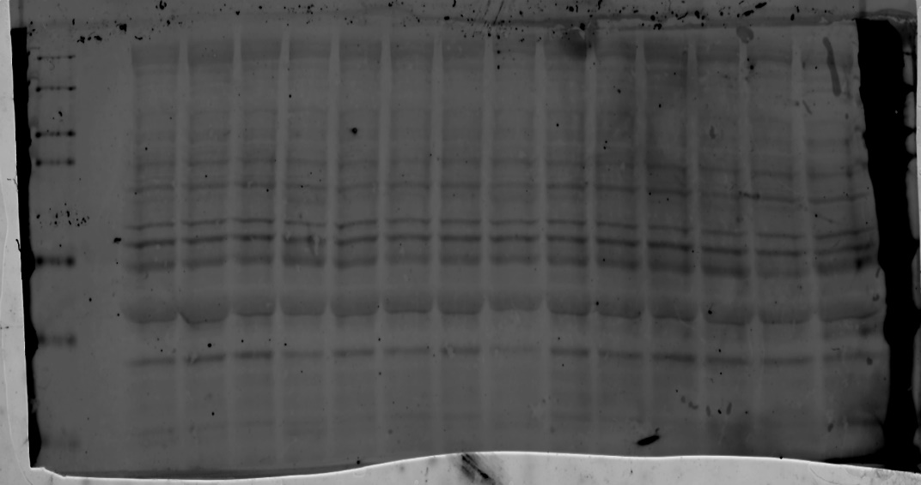
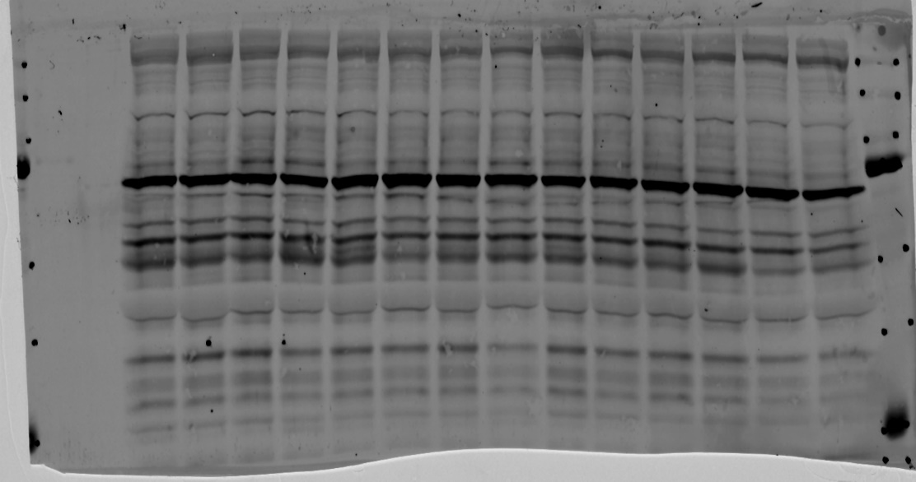

 |  | 2 Gel B 17-34 |  |  | Absolute values |  |  | group average |  |  | % of control
 |  | Tau-13 | PS199 | Total Protein | Tau-13/Ponceau | PS199/Ponceau | PS199/Tau 13 | Tau-13/Ponceau | PS199/Ponceau | PS199/Tau 13 | Tau-13/Ponceau | PS199/Ponceau | PS199/Tau 13
Ctrl | F | 1,355.58 | 4,195.38 | 15,911.72 | 0.085193705862 | 0.26366609779 | 3.0949011447 |  |  |  | 156.5516125 | 153.01110296 | 97.464795013
Ctrl | F | 1,075.88 | 3,446.01 | 21,919.01 | 0.049084325266 | 0.15721544056 | 3.2029663178 |  |  |  | 90.197159418 | 91.235498853 | 100.86798932
Ctrl |  | 1,153.75 | 3,494.28 | 22,535.41 | 0.051197339397 | 0.15505709395 | 3.0286162479 |  |  |  | 94.080025717 | 89.982963929 | 95.377347442
Ctrl | F | 1,028.48 | 3,581.31 | 20,282.18 | 0.050708324498 | 0.17657434403 | 3.4821569394 |  |  |  | 93.181413898 | 102.46988658 | 109.66027554
Ctrl | F | 1,023.19 | 3,631.21 | 21,444.47 | 0.047713349119 | 0.1693307264 | 3.5489172218 |  |  |  | 87.677859143 | 98.266259593 | 111.76269398 |  |  | PLT Glel 2 A-B Ponceau Red
Ctrl |  | 967.10 | 2,864.66 | 23,830.20 | 0.040583169687 | 0.12021145441 | 2.9621011699 |  |  |  | 74.575469992 | 69.761290442 | 93.282650992 | Gel 2 B 17-34 Tau-13 | Gel 2 B 17-34 PS199
Ctrl | F | 1,050.81 | 3,055.92 | 18,614.05 | 0.056452266839 | 0.16417278894 | 2.9081700016 | 0.05441892581 | 0.17231827801 | 3.175404149 | 103.73645933 | 95.27299764 | 91.584247709
HD | F | 1,143.99 | 3,282.77 | 19,710.34 | 0.058040012594 | 0.16655084657 | 2.8695866717 |  |  |  | 106.65409456 | 96.653035585 | 90.369179389
HD | F | 1,459.07 | 2,961.57 | 23,032.83 | 0.063347522201 | 0.12858040401 | 2.0297621682 |  |  |  | 116.40715295 | 74.617971753 | 63.92138049
HD | M | 2,117.27 | 2,820.89 | 17,365.21 | 0.12192611379 | 0.16244509442 | 1.3323240558 |  |  |  | 224.05093811 | 94.270379381 | 41.957621557
HD | F | 2,504.82 | 3,546.09 | 18,829.91 | 0.13302359788 | 0.18832205411 | 1.415704109 |  |  |  | 244.44363041 | 109.2873352 | 44.583430723
HD | M | 2,259.79 | 2,975.17 | 20,232.86 | 0.11168916328 | 0.14704627464 | 1.3165670716 |  |  |  | 205.23955889 | 85.334113325 | 41.461401758
HD | M | 2,060.24 | 2,692.94 | 20,409.34 | 0.10094580549 | 0.13194647977 | 1.3071021538 |  |  |  | 185.49760765 | 76.571377855 | 41.163332051
HD | F | 2,120.98 | 2,560.18 | 17,116.21 | 0.12391644435 | 0.14957649077 | 1.207075393 |  |  |  | 227.70836159 | 86.802452122 | 38.013283864

