Batch 1
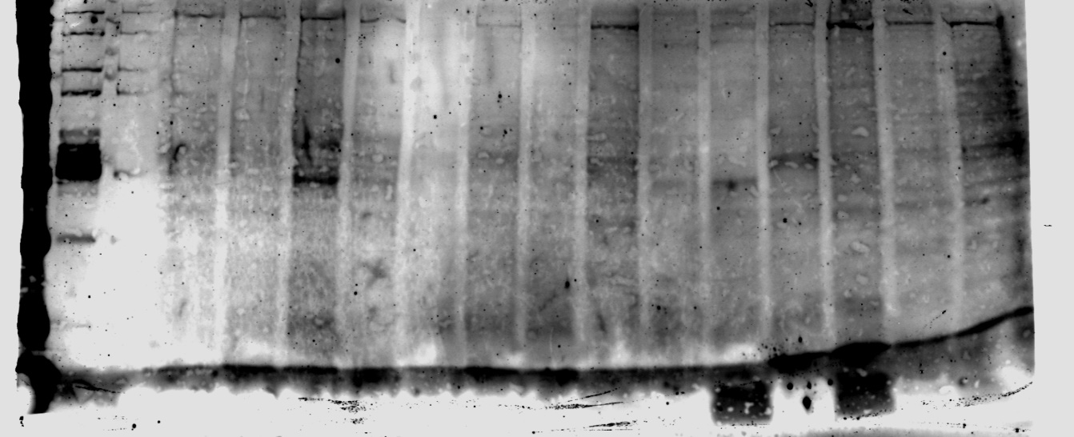
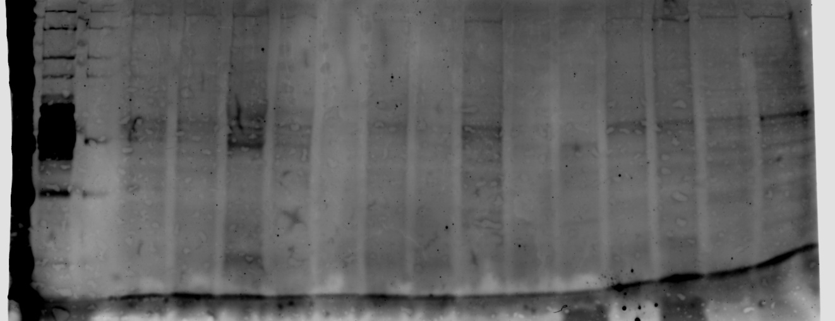
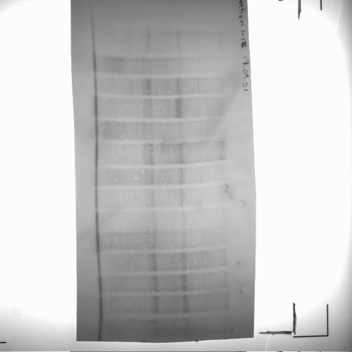
 |  |  |  |  |  |  |  |  |  |  |  | Percent of control
Disease status | Sex | 700 - Tau13 | 800- pS199 | Ponceau |  | Tau-13 / Ponceau | PS199/Tau-13 | pS199/Ponceau |  |  |  | Tau-13 / Ponceau | PS199/Tau-13 | pS199/Ponceau
Ctrl | 50 | 3741.7799044 | 9850.4216756 | 12302.028 | exclude non-quantifiable | 0.30415959908 | 2.6325497296 | 0.80071527033 |  |  |  | 195.7100918 | 181.28665197 | 333.22324093
Ctrl | F | 3072.8071403 | 5434.5587719 | 8375.652 |  | 0.36687378371 | 1.7685974172 | 0.64885202631 |  |  |  | 236.06324477 | 121.79185101 | 270.02429341
CTRL | F | 6368.4094551 | 9909.1815526 | 22516.626 | exclude non-quantifiable | 0.28283142666 | 1.5559900196 | 0.4400828771 |  |  |  | 181.98657758 | 107.15095634 | 183.14355679
Ctrl | F | 2943.3218114 | 3937.3379886 | 26210.274 |  | 0.1122964915 | 1.3377191625 | 0.15022116856 |  |  |  | 72.256659747 | 92.120055898 | 62.515586375
Ctrl | M | 652.38862645 | 1099.2914663 | 8842.652 |  | 0.073777485132 | 1.685025492 | 0.12431694319 |  |  |  | 47.47178268 | 116.03679372 | 51.735362426
Ctrl | M | 3113.7739457 | 6253.0015539 | 27570.437 |  | 0.11293886802 | 2.0081745377 | 0.22680095908 |  |  |  | 72.66999396 | 138.28997584 | 94.38479998
Ctrl | M | 2450.953829 | 1130.4320892 | 22044.898 |  | 0.11118009387 | 0.46122129098 | 0.051278626427 | 0.15541334445 | 1.4521475801 | 0.24029394471 | 71.538318841 | 31.761323525 | 21.339957812
HD | F | 5002.5657703 | 3303.2908765 | 16729.668 |  | 0.29902361304 | 0.66031932975 | 0.19745107174 |  |  |  | 192.40536526 | 45.471916133 | 82.170639788
HD | F | 3249.3855236 | 662.6829802 | 8230.459 |  | 0.39480003771 | 0.20394101451 | 0.080515920218 |  |  |  | 254.03226417 | 14.044096984 | 33.507261415
HD | F | 3589.6544246 | 1262.8293003 | 15540.401 | exclude non-quantifiable | 0.2309885327 | 0.35179690045 | 0.081261049846 |  |  |  | 148.62850647 | 24.225974362 | 33.817352303 |  |  | Wells 18-34 Tau- 13 700
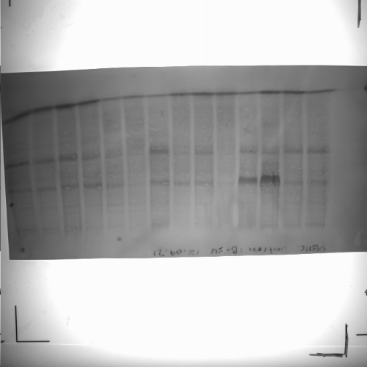
HD | F | 4876.4183548 | 7754.1085759 | 28402.174 |  | 0.17169172877 | 1.5901237367 | 0.2730110933 |  |  |  | 110.47425135 | 109.50152439 | 113.61546943 |  | Wells 1-17 Tau- 13 700
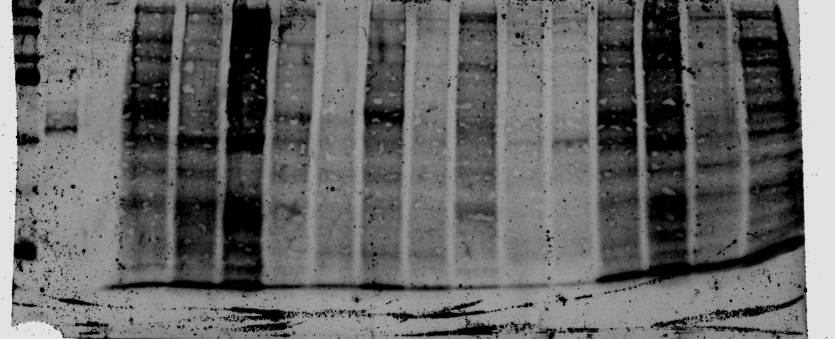
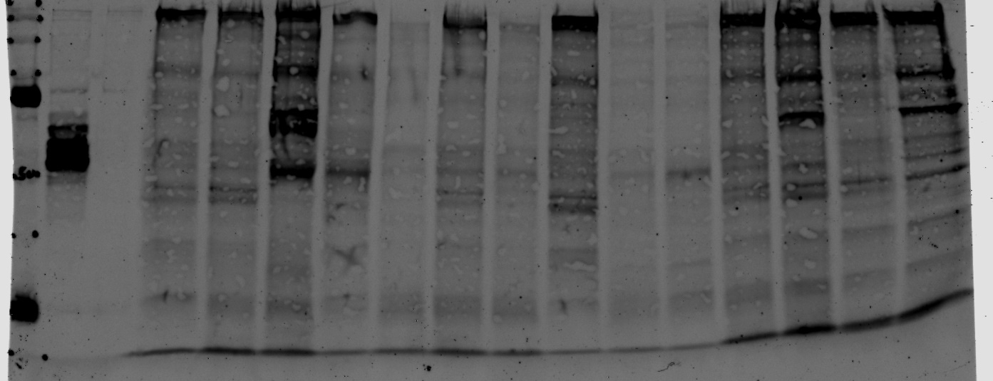
HD | M | 4823.4480236 | 9261.8055115 | 23204.253 |  | 0.20786913604 | 1.9201628101 | 0.3991425844 |  |  |  | 133.75243727 | 132.22917811 | 166.10596862
HD | M | 4113.808713 | 4596.6583756 | 17719.132 |  | 0.23216762046 | 1.117372901 | 0.25941780758 |  |  |  | 149.38718505 | 76.946235787 | 107.95852883
HD | M | 6383.9533067 | 7385.9982626 | 16523.714 |  | 0.38635099268 | 1.1569630772 | 0.44699383339 |  |  |  | 248.59576509 | 79.672554849 | 186.01959942

Ctrl | F | 10099.693069 | 1213.799774 | 26190.558 | exclude non-quantifiable | 0.38562343989 | 0.12018184768 | 0.046344937516 |  |  |  | 73.044474778 | 80.416142998 | 59.715070413
Ctrl | F | 8854.9205204 | 1285.3119475 | 6929.028 |  | 1.2779455532 | 0.14515228505 | 0.18549671721 |  |  |  | 242.06739547 | 97.12437557 | 239.01099286
Ctrl | F | 15970.988474 | 3797.7351862 | 47032.257 | exclude non-quantifiable | 0.33957520843 | 0.23778961412 | 0.080747457776 |  |  |  | 64.322056653 | 159.10991536 | 104.04243452
Ctrl | M | 7596.5539655 | 1790.7031615 | 24435.922 |  | 0.31087650245 | 0.23572572111 | 0.073281587717 |  |  |  | 58.885971373 | 157.72892215 | 94.422722417
Ctrl | M | 3038.7506424 | 369.31384889 | 11605.602 |  | 0.26183481412 | 0.12153476621 | 0.031822032919 |  |  |  | 49.59653511 | 81.321408573 | 41.002427413 | Ponceau Rouge Batch 1
Ctrl | M | 7337.0615454 | 993.63755092 | 17155.735 |  | 0.42767398455 | 0.1354271795 | 0.057918681474 |  |  |  | 81.009654358 | 90.617107679 | 74.627744212
Ctrl | M | 5566.1407136 | 608.98902299 | 15405.128 |  | 0.36131739467 | 0.10940956299 | 0.03953157825 | 0.52792964979 | 0.14944990297 | 0.077610119515 | 68.440443687 | 73.208186027 | 50.936113096
HD | F | 9416.7525517 | 1468.7295221 | 16040.513 |  | 0.58706056045 | 0.15596985415 | 0.091563749992 |  |  |  | 111.20052846 | 104.36263326 | 117.97913798
HD | F | 5493.5952155 | 386.76830181 | 11231.35 |  | 0.48913044429 | 0.070403494732 | 0.034436492658 |  |  |  | 92.65068641 | 47.108424517 | 44.37113726 |  |  | Wells 18-34 PS199 800
HD | F | 5339.3653185 | 775.74170213 | 6715.329 |  | 0.79510107673 | 0.14528724967 | 0.11551804865 |  |  |  | 150.60739192 | 97.214683172 | 148.84405458 |  | Wells 1-17 PS199 800
HD | M | 8071.6817435 | 1532.1739473 | 18204.241 |  | 0.44339567596 | 0.18982090672 | 0.084165769245 |  |  |  | 83.987644212 | 127.01306789 | 108.4469007
HD | M | 7706.8320831 | 1575.0035758 | 23075.818 |  | 0.33397871673 | 0.20436458961 | 0.068253423382 |  |  |  | 63.261973799 | 136.74454486 | 87.943974071
Ctrl | M | 6997.4600786 | 1314.2000705 | 15224.342 |  | 0.45962315341 | 0.18781101368 | 0.086322290351 |  |  |  | 87.061439642 | 125.66820717 | 111.22556039
HD | M | 12317.782882 | 2064.3242366 | 13746.028 |  | 0.89609761321 | 0.16758894489 | 0.15017605352 |  |  |  | 169.73807278 | 112.13720555 | 193.5006085

 |  |  |  |  | Numbers in red indicate values that were non-quantifiable. All such values were excluded from the final analysis

Batch 2
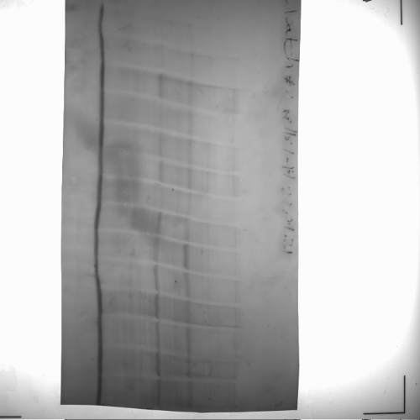
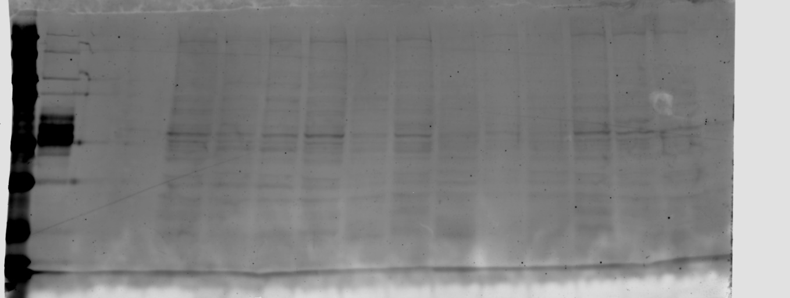
Disease status | Sex | 700 - Tau13 | 800- pS199 | Ponceau |  | Tau-13 / Ponceau | PS199/Tau-13 | pS199/Ponceau |  |  |  | Tau-13 / Ponceau | PS199/Tau-13 | pS199/Ponceau
Ctrl | F | 832.04168935 | 463.97265625 | 4108.284 |  | 0.20252779247 | 0.55763150115 | 0.11293587694 |  |  |  | 81.933593896 | 56.792148963 | 48.285148256
Ctrl | F | 1374.3060667 | 503.13476562 | 4958.841 |  | 0.27714259576 | 0.36610095656 | 0.10146216941 |  |  |  | 112.11937194 | 37.285662696 | 43.37962413
Ctrl | M | 3232.4522244 | 3049.1240234 | 9143.388 | exclude-non quantifiable | 0.35352893527 | 0.94328510114 | 0.33347857746 |  |  |  | 143.0218335 | 96.069156545 | 142.57703566
Ctrl | F | 1985.2459213 | 1626.2529297 | 6397.539 |  | 0.31031400064 | 0.81916951054 | 0.25419976802 |  |  |  | 125.53902355 | 83.428566665 | 108.68179199
Ctrl | M | 2254.9171453 | 2815.583252 | 6698.853 |  | 0.33661242384 | 1.2486415556 | 0.42030826053 |  |  |  | 136.17817732 | 127.16827704 | 179.70061616
Ctrl | F | 1397.680266 | 2242.0888672 | 8205.631 |  | 0.1703318448 | 1.6041500491 | 0.27323783719 |  |  |  | 68.908568197 | 163.37514713 | 116.82141969
Ctrl | M | 1239.0771246 | 1605.3413086 | 6655.154 |  | 0.18618308827 | 1.2955943393 | 0.24121775523 | 0.24718529096 | 0.98188131869 | 0.23389361122 | 75.321265089 | 131.95019751 | 103.13139977
HD | F | 2671.956514 | 2584.6416016 | 8022.64 | exclude-non quantifiable | 0.33305202702 | 0.96732173146 | 0.32216846344 |  |  |  | 134.73780164 | 98.517174434 | 137.74145509
HD | F | 4183.4942835 | 3629.0166016 | 9192.731 |  | 0.45508720788 | 0.86746063353 | 0.39477023765 |  |  |  | 184.10772182 | 88.346790698 | 168.78196698
HD | M | 4855.876842 | 2695.746582 | 4974.811 |  | 0.97609272834 | 0.55515134954 | 0.54187919542 |  |  |  | 394.88301449 | 56.539557172 | 231.67763865 | Ponceau Rouge Batch 2 wells 1-17 | Wells 1-17 Tau-13 (700) | Wells 18-33 Tau-13 (700)
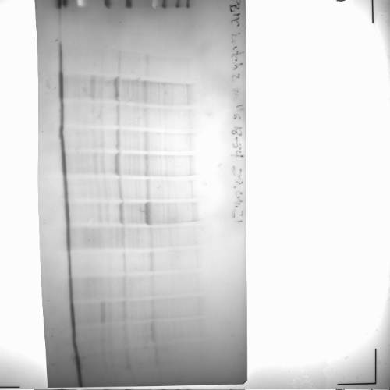
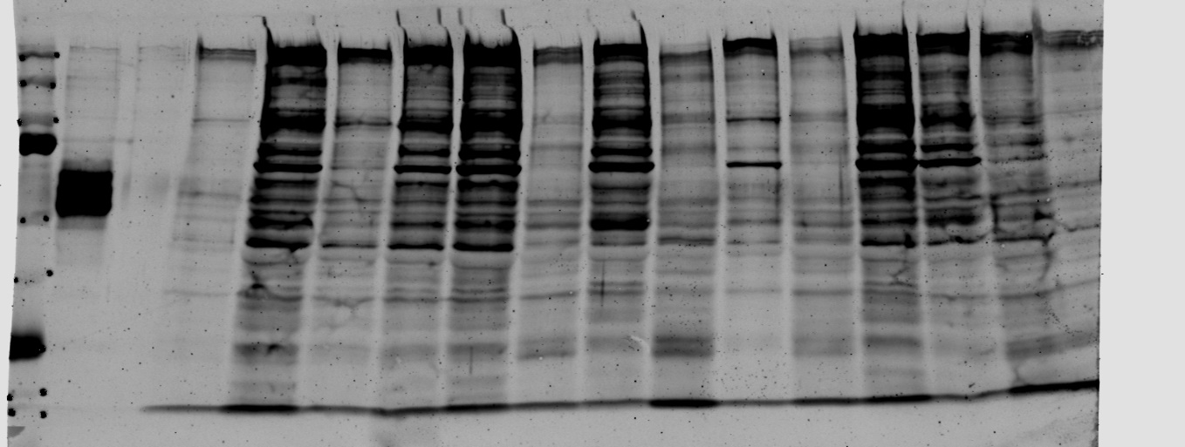
HD | F | 5347.5562527 | 3592.0605469 | 8280.489 |  | 0.64580198739 | 0.67172001137 | 0.43379811831 |  |  |  | 261.26230443 | 68.411527807 | 185.46813487
HD | M | 4089.5298685 | 2137.6254883 | 4034.196 |  | 1.0137162073 | 0.52270690202 | 0.52987645823 |  |  |  | 410.10377411 | 53.235242597 | 226.54593063
PHD | F | 3977.3213605 | 3368.6147461 | 5877.66 |  | 0.67668449017 | 0.84695563691 | 0.57312174336 |  |  |  | 273.75596968 | 86.258453113 | 245.03522793
HD | M | 4083.9294879 | 2708.0795898 | 4245.811 |  | 0.96187265233 | 0.6631063533 | 0.63782386683 |  |  |  | 389.13021426 | 67.534267195 | 272.69828513

Ctrl | F | 24.3203125 | 681.08789062 | 11,298.69 | exclude- protein too low | 0.0021524905332 | 28.004898811 | 0.060280279575 |  |  |  | 5.5449263155 | 1162.126482 | 68.51725682
Ctrl | M | 2556.3242188 | 4866.5517578 | 30,140.24 |  | 0.084814339833 | 1.9037302554 | 0.16146362483 |  |  |  | 218.48610139 | 78.999583584 | 183.52676411
Ctrl | F | 542.84765625 | 1118.0195312 | 22,450.09 |  | 0.024180195248 | 2.0595456541 | 0.049800216037 |  |  |  | 62.289426539 | 85.465495221 | 56.605148748
Ctrl | M | 813.21875 | 1861.019043 | 21,493.44 |  | 0.037835677467 | 2.2884605685 | 0.086585455968 |  |  |  | 97.466651035 | 94.964836248 | 98.416894635
Ctrl | M | 1103.6328125 | 2898.3969727 | 30,308.01 |  | 0.036413894111 | 2.6262330549 | 0.095631372371 |  |  |  | 93.804063986 | 108.98146791 | 108.69888705
Ctrl | M | 736.7109375 | 1098.5703125 | 27,846.35 |  | 0.026456288518 | 1.4911823031 | 0.039451149244 |  |  |  | 68.152759863 | 61.879975201 | 44.841937425 | Ponceau Rouge Batch 2 wells 18-33
Ctrl | M | 1025.1679688 | 4192.5629883 | 44,161.23 |  | 0.02321420935 | 4.0896351779 | 0.094937647187 | 0.038819100755 | 2.4097978357 | 0.087978244273 | 59.800997187 | 169.70864184 | 107.91036804 |  | Wells 1-17 PS199 (800) | Wells 18-33 PS199 (800)
HD | 58 | 1015.3945312 | 1234.6357422 | 29,523.64 |  | 0.034392595223 | 1.2159172658 | 0.041818550349 |  |  |  | 88.597094097 | 50.457231219 | 47.532831207
HD | M | 207.66796875 | 703.61425781 | 16,316.26 |  | 0.012727668185 | 3.3881694035 | 0.043123495922 |  |  |  | 32.787127824 | 140.59973635 | 49.0160906
HD | F | 1059.28125 | 923.20654297 | 18,020.78 |  | 0.058781108606 | 0.87154053087 | 0.0512301186 |  |  |  | 151.42315887 | 36.166541358 | 58.230439835
HD | M | 1255.9140625 | 2260.3530273 | 16,399.45 |  | 0.076582675405 | 1.799767273 | 0.13783099287 |  |  |  | 197.28091047 | 74.685404989 | 156.6648596
HD | M | 1036.1054688 | 2146.5170898 | 15,932.61 |  | 0.065030512509 | 2.0717167842 | 0.13472480425 |  |  |  | 167.52194472 | 85.970563737 | 153.13422695
HD | M | 528.625 | 1415.190918 | 14,870.71 | exclude-non quantifiable | 0.035548057746 | 2.6771168938 | 0.095166305933 |  |  |  | 91.573624982 | 111.09300764 | 108.17027178

 |  |  |  |  | Numbers in red indicate values that were non-quantifiable. All such values were excluded from the final analysis

Batch 3
Disease status | Sex | 700 - Tau13 | 800- pS199 | Ponceau |  | Tau-13 / Ponceau | PS199/Tau-13 | pS199/Ponceau |  |  |  | Tau-13 / Ponceau | PS199/Tau-13 | pS199/Ponceau
Ctrl | M | 4803.4160156 | 2112.9306641 | 23,447.99 |  | 0.20485406278 | 0.43988083838 | 0.090111376884 |  |  |  | 236.29525757 | 38.501184001 | 106.93482053
Ctrl | F | 1759.84375 | 1995.4211426 | 23,784.07 |  | 0.073992539965 | 1.1338626754 | 0.083897379321 |  |  |  | 85.348984792 | 99.242912368 | 99.560693788
Ctrl | M | 617.97070312 | 969.24169922 | 14,233.59 |  | 0.04341635945 | 1.5684266169 | 0.068095373769 |  |  |  | 50.079943251 | 137.27872755 | 80.808515249
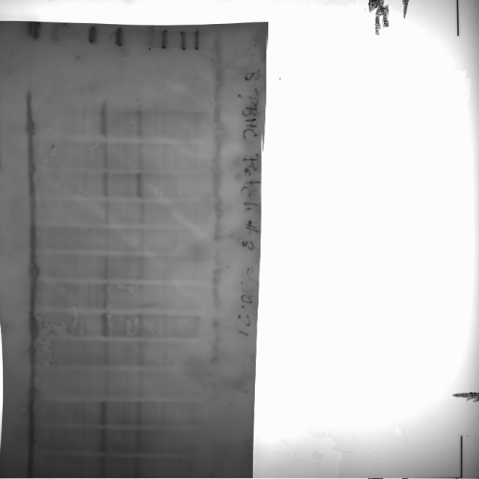
Ctrl | F | 215.28515625 | 662.22070312 | 22,068.39 |  | 0.0097553621601 | 3.0760165478 | 0.030007655434 |  |  |  | 11.252624346 | 269.23263931 | 35.609968013
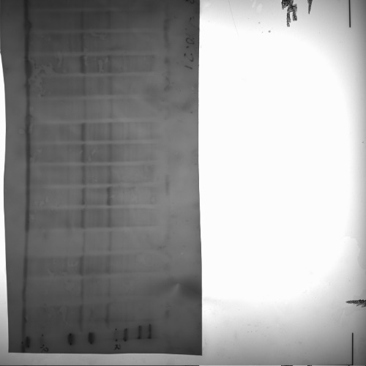
Ctrl | M | 1309.1640625 | 1430.7197266 | 20,138.19 |  | 0.065009020051 | 1.0928498326 | 0.07104509668 |  |  |  | 74.986665767 | 95.653206095 | 84.308939958
Ctrl | F | 1820.2519531 | 2435.6083984 | 24,118.97 |  | 0.07546972481 | 1.3380611372 | 0.10098310581 |  |  |  | 87.05288936 | 117.11566759 | 119.83625897
Ctrl | F | 1858.8125 | 2544.7392578 | 24,666.56 |  | 0.075357604659 | 1.36901342 | 0.10316557208 |  |  |  | 86.923560903 | 119.82480932 | 122.42618321
Ctrl | M | 2166.5722656 | 2286.8017578 | 31,509.45 |  | 0.068759435363 | 1.0554929527 | 0.072575099455 |  |  |  | 79.312698359 | 92.383493066 | 86.1245883
Ctrl | F | 1261.1572266 | 588.17492676 | 21,785.34 |  | 0.057890173428 | 0.46637716089 | 0.026998654727 |  |  |  | 66.77521185 | 40.82031159 | 32.039198574
Ctrl | M | 2845.625 | 1551.3720703 | 22,847.26 |  | 0.12454993513 | 0.54517797331 | 0.067901881211 | 0.086694106726 | 1.1425124962 | 0.084267571999 | 143.66597665 | 47.717462623 | 80.578898383
 |  |  |  |  |  |  |  |  |  |  |  |  |  |  | Ponceau Red Batch 3 | Tau 13 700
HD | M | 369.22265625 | 510.30078125 | 23,987.02 |  | 0.015392602818 | 1.3820949842 | 0.021274039148 |  |  |  | 17.755074017 | 120.96979148 | 25.245819529
HD | F | 162.1484375 | 871.93652344 | 22,863.43 |  | 0.0070920421447 | 5.3773970128 | 0.038136726243 |  |  |  | 8.1805354626 | 470.66417486 | 45.256704731
HD | M | 1218.7314453 | 899.32763672 | 22,072.17 |  | 0.055215751116 | 0.73792109014 | 0.040744867257 |  |  |  | 63.690316679 | 64.587572795 | 48.351775529
HD | F | 1176.3203125 | 2865.0610352 | 26,612.53 |  | 0.044201755095 | 2.4356129914 | 0.10765836895 |  |  |  | 50.98588216 | 213.18042468 | 127.75776778
HD | F | 905.7421875 | 2434.3540039 | 25,026.70 |  | 0.036191039812 | 2.6876897615 | 0.097270287162 |  |  |  | 41.74567474 | 235.24379563 | 115.43027152
HD | M | 330.12890625 | 621.57666016 | 19,835.29 |  | 0.016643512124 | 1.8828301563 | 0.031336906535 |  |  |  | 19.197974064 | 164.79733593 | 37.187385125
HD | F | 2645.6171875 | 3152.2680664 | 21,929.97 |  | 0.12063934917 | 1.1915057406 | 0.14374247708 |  |  |  | 139.15519027 | 104.28820207 | 170.57863858
PHD | M | 1784.9804688 | 800.71191406 | 20,905.71 |  | 0.08538245342 | 0.44858301146 | 0.038301118081 |  |  |  | 98.487032907 | 39.262853839 | 45.451787885
PHD | M | 1609.4160156 | 1166.3237305 | 28,161.09 |  | 0.057150345233 | 0.7246875383 | 0.041416143 |  |  |  | 65.921834126 | 63.429287709 | 49.148375843

 |  |  |  |  | Numbers in red indicate values that were non-quantifiable. All such values were excluded from the final analysis

 |  |  |  |  |  |  |  |  |  |  |  |  |  |  |  | PS199 800

Batch 4
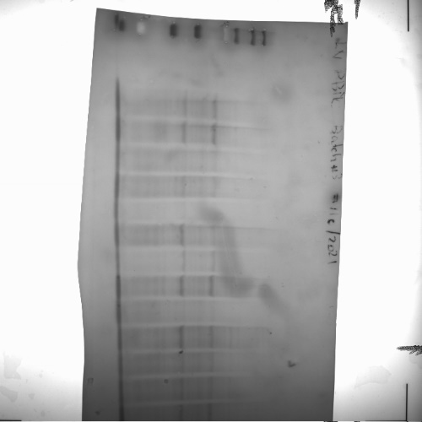
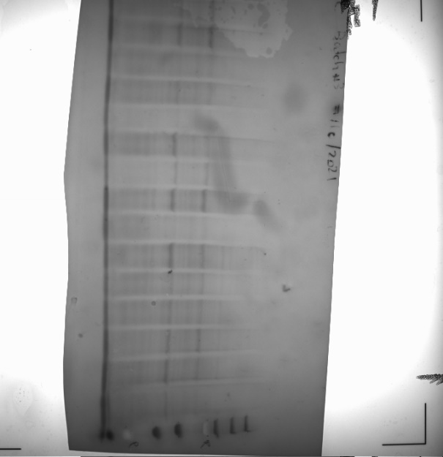
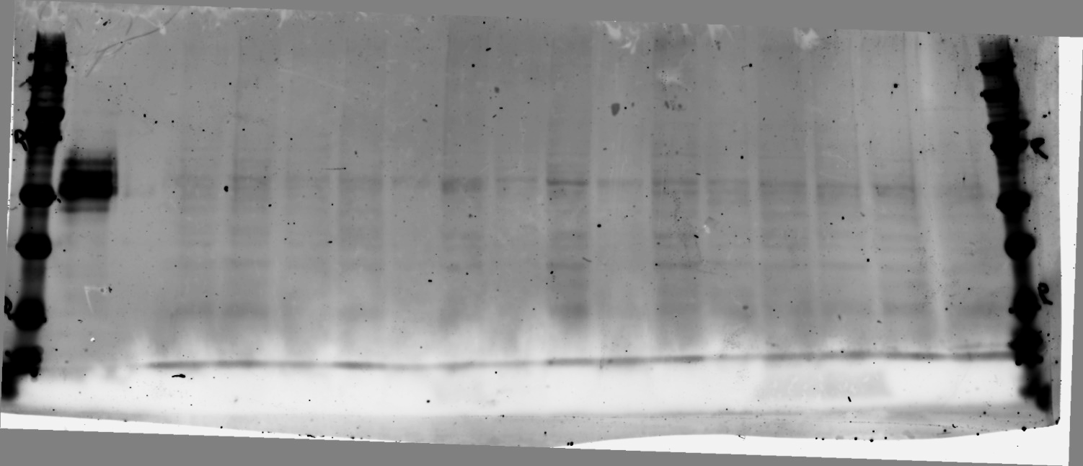
 |  |  |  |  |  | Raw values |  |  |  |  |  | % of control
Disease status | Sex | 700 - Tau13 | 800- pS199 | Ponceau |  | Tau-13 / Ponceau | PS199/Tau-13 | pS199/Ponceau |  |  |  | Tau-13 / Ponceau | PS199/Tau-13 | pS199/Ponceau
Ctrl |  | 1563.5887391 | 2033.5260805 | 24,452.87 |  | 0.063942956514 | 1.300550477 | 0.083161042594 |  |  |  | 85.783059513 | 97.429535243 | 85.485182962
Ctrl | F | 2069.5795818 | 3160.5387581 | 25,164.82 |  | 0.082240991444 | 1.527140481 | 0.12559354723 |  |  |  | 110.33089879 | 114.40431567 | 129.10356856
Ctrl | F | 1414.5179623 | 1296.7015957 | 19,702.65 |  | 0.071793270203 | 0.91670917603 | 0.065813549573 |  |  |  | 96.314695256 | 68.674419452 | 67.652871479
Ctrl | F | 1799.4539575 | 1974.2506026 | 21,934.79 |  | 0.082036517943 | 1.097138715 | 0.090005439877 | 0.074540307699 | 1.334862651 | 0.097281236013 | 110.05658613 | 82.191131363 | 92.520863802
HD | M | 1278.7747182 | 574.86753761 | 18,966.34 |  | 0.067423371267 | 0.44954559189 | 0.030309879344 |  |  |  | 90.452230945 | 33.677291935 | 31.156963651
HD | F | 2779.1360143 | 1951.9850373 | 23,943.96 |  | 0.11606835354 | 0.70237117839 | 0.081523066247 |  |  |  | 155.71220071 | 52.617486741 | 83.801429328
HD | M | 1371.7146997 | 1025.506464 | 20,120.23 |  | 0.06817588881 | 0.74760915244 | 0.05096891845 |  |  |  | 91.4617754 | 56.006447697 | 52.39337054
Ctrl | F | 2399.041752 | 3280.1820458 | 22,610.94 |  | 0.10610092955 | 1.3672884363 | 0.14507057406 |  |  |  | 142.34034287 | 102.4291477 | 149.12492892
Ctrl | F | 768.7703157 | 1384.0545774 | 18,692.51 |  | 0.041127180536 | 1.8003486205 | 0.074043262745 |  |  |  | 55.174417447 | 134.87145057 | 76.112584275
Ctrl |  | 2661.5774846 | 2551.9211971 | 22,407.41 | exclude non-quantifiable | 0.1187811143 | 0.95880026483 | 0.11388736384 |  |  |  | 159.35152129 | 71.827634411 | 117.07022701 | Batch 4 Ponceau Rouge
HD | F | 1762.9744333 | 1864.4639035 | 19,744.34 |  | 0.089290130799 | 1.0575671821 | 0.094430312021 |  |  |  | 119.78771427 | 79.226666605 | 97.069399907
PHD | F | 2495.9065702 | 1823.3206543 | 20,058.07 |  | 0.12443406531 | 0.73052440187 | 0.090902121132 |  |  |  | 166.93527187 | 54.72655942 | 93.442605025
PHD | M | 1619.1436347 | 2115.8641228 | 19,493.71 |  | 0.083059816062 | 1.3067797553 | 0.10854088611 |  |  |  | 111.4293979 | 97.896195862 | 111.57432878 |  | Tau-13 700
PHD | M | 1592.7888384 | 2694.9616637 | 20,723.45 |  | 0.076859235838 | 1.6919767384 | 0.13004403917 |  |  |  | 103.11097205 | 126.75287133 | 133.67844047
PHD | M | 1944.0716573 | 1689.8206086 | 16,217.95 | exclude non-quantifiable | 0.11987158781 | 0.86921724426 | 0.10419445122 |  |  |  | 160.81445262 | 65.11660534 | 107.10642205

 |  |  |  |  | Numbers in red indicate values that were non-quantifiable. All such values were excluded from the final analysis

 |  |  |  |  |  |  |  |  |  |  |  |  |  |  |  | PS199 800

Batch 5
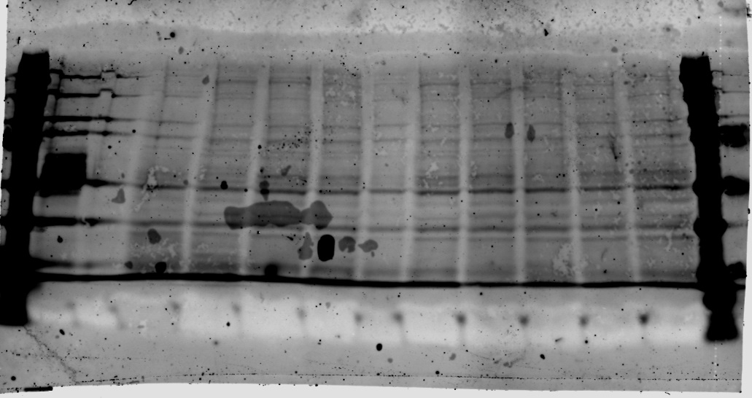
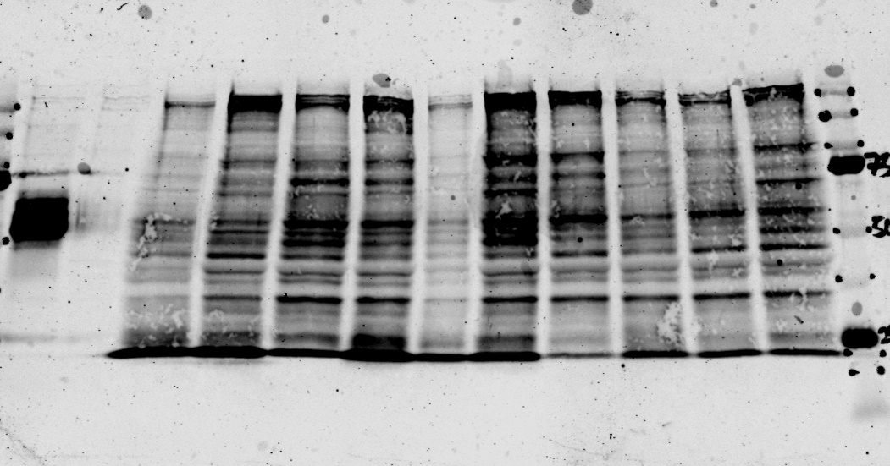
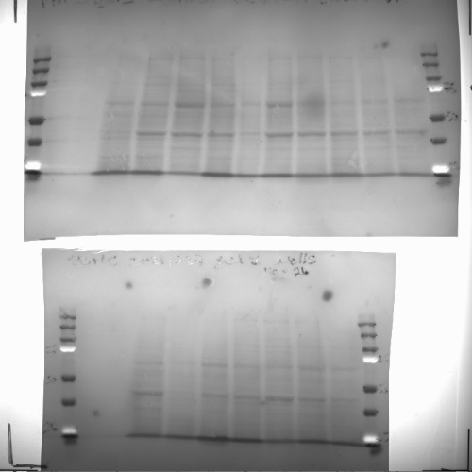
 |  |  |  |  |  | Raw values |  |  |  |  |  | % of control
Disease status | Sex | 700 - Tau13 | 800- pS199 | Ponceau |  | Tau-13 / Ponceau | PS199/Tau-13 | PS199/Ponceau |  |  |  | Tau-13 / Ponceau | PS199/Tau-13 | PS199/Ponceau
Ctrl | M | 3111.0349507 | 1458.8528367 | 19,737.43 |  | 0.15762104388 | 0.46892846266 | 0.07391299379 |  |  |  | 111.01612064 | 59.857596843 | 65.862119281
Ctrl | F | 2673.0331003 | 1957.7485817 | 21,799.90 |  | 0.12261677097 | 0.73240716002 | 0.089805401 |  |  |  | 86.361807433 | 93.490022468 | 80.02346718
CTRL | 49 | 3931.5733964 | 3289.7589983 | 22,002.51 |  | 0.17868747067 | 0.83675380481 | 0.14951742096 |  |  |  | 125.85368878 | 106.80962214 | 133.23143481
CTRL | M | 2696.510074 | 2106.1343471 | 21,634.96 |  | 0.12463671982 | 0.78105932828 | 0.097348672664 |  |  |  | 87.784503792 | 99.700355396 | 86.745098013
PHD | M | 619.54862253 | 635.98376814 | 17,637.43 |  | 0.035126931654 | 1.0265276122 | 0.036058765275 | 0.14198032049 | 0.78340676437 | 0.11222383154 | 24.74070458 | 131.03379482 | 32.131112243
preHD | M | 4422.7764186 | 3385.0971726 | 22,803.64 |  | 0.19395050037 | 0.7653783172 | 0.1484455076 |  |  |  | 136.60379108 | 97.698711833 | 132.27627818
CTRL | F | 4800.7974918 | 2421.6453776 | 22,767.01 |  | 0.21086643017 | 0.50442564631 | 0.10636643532 |  |  |  | 148.51806887 | 64.388727447 | 94.780612874
preHD | M | 3006.3261719 | 1554.0080799 | 20,512.78 |  | 0.14655871177 | 0.51691266717 | 0.075758054597 |  |  |  | 103.22466611 | 65.982665798 | 67.506209293
Pre-HD | M | 3420.9034745 | 2144.6674409 | 21,262.91 |  | 0.16088598024 | 0.62693012443 | 0.10086426761 |  |  |  | 113.31569029 | 80.026131117 | 89.877761457
Pre-HD | M | 5394.5581826 | 2749.9220168 | 20,258.53 |  | 0.26628571359 | 0.50975852401 | 0.13574141233 |  |  |  | 187.55114278 | 65.069456532 | 120.95595959
 |  |  |  |  |  |  |  |  |  |  |  |  |  |  | Gel 1 Ponceau Rouge
CTRL | F | 4169.3960431 | 3542.9100865 | 21,435.23 |  | 0.19451138325 | 0.84974179709 | 0.16528445236 |  |  |  | 128.9751427 | 112.02826778 | 139.62248457 |  |  | wels 1-14 Tau-13 700 | wels 1-14 PS199 800
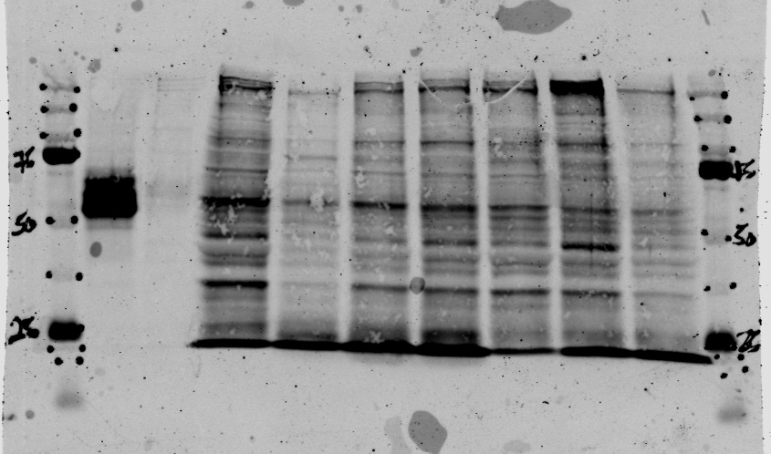
Ctrl | F | 1453.0558685 | 985.58294879 | 18,150.74 |  | 0.080054892982 | 0.67828290032 | 0.054299864997 |  |  |  | 53.082195363 | 89.423467982 | 45.869299589
CTRL | F | 2457.8173601 | 1640.0312035 | 22,945.64 |  | 0.10711477382 | 0.66727138888 | 0.071474623897 | 0.15081307854 | 0.75850659299 | 0.11837953813 | 71.0248573 | 87.971732224 | 60.377515428
Pre-HD | F | 2734.523418 | 2025.2620944 | 22,441.74 |  | 0.12184986238 | 0.74062708002 | 0.090245307778 |  |  |  | 80.795288821 | 97.642800586 | 76.233873864
preHD | F | 2377.8419526 | 2000.5481145 | 21,586.08 |  | 0.11015627538 | 0.84132930378 | 0.092677702475 |  |  |  | 73.041593244 | 110.9191814 | 78.288616377
PHD | M | 2129.2154991 | 1982.3138092 | 21,218.71 |  | 0.10034611424 | 0.93100665952 | 0.093422900617 |  |  |  | 66.536745497 | 122.74206554 | 78.91811549
HD | 61 | 2183.2311047 | 1116.1991257 | 19,198.40 |  | 0.11371942406 | 0.51126017917 | 0.058140213122 |  |  |  | 75.404219028 | 67.403524755 | 49.113397502

CTRL | F | 4390.4084124 | 2420.8214495 | 33,968.85 |  | 0.12924806943 | 0.5513886687 | 0.071265920933 |  |  |  | 105.21526973 | 100.93521318 | 106.19666655
CTRL | F | 1610.2599226 | 168.84052325 | 9,204.80 | samples excluded signal too low | 0.17493692397 | 0.10485296248 | 0.018342654726 |  |  |  | 142.40859242 | 19.194003652 | 27.333243745
CTRL | M | 4948.9280962 | 2776.4152132 | 41,812.37 |  | 0.11836039358 | 0.5610134476 | 0.066401772461 |  |  |  | 96.352083172 | 102.69709035 | 98.948372466
CTRL | F | 3857.0643311 | 2030.5023321 | 31,898.66 |  | 0.12091619059 | 0.52643724809 | 0.063654786621 | 0.1228415512 | 0.54627978813 | 0.067107493338 | 98.432647103 | 96.367696468 | 94.85496098
HD | M | 4328.0831299 | 2943.3498245 | 32,459.56 |  | 0.13333770996 | 0.68005852387 | 0.090677446208 |  |  |  | 108.5444694 | 124.48905097 | 135.12268407
HD | M | 4249.9849941 | 2857.2092951 | 26,220.76 | exclude nonquantifiable | 0.16208474339 | 0.67228691374 | 0.1089674519 |  |  |  | 131.94618744 | 123.06640816 | 162.37747303 |  |  | wells 16-26 Tau-13 700 | wells 16-26 PS199 800
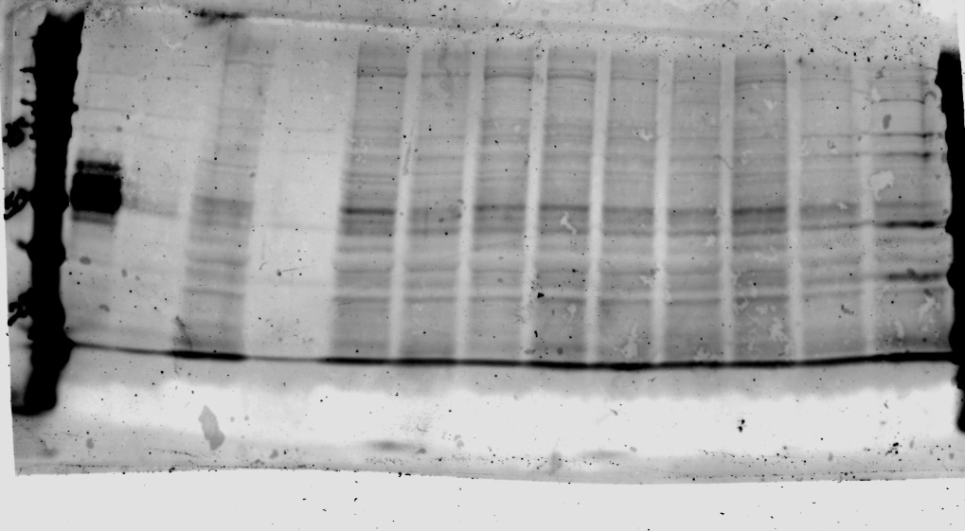
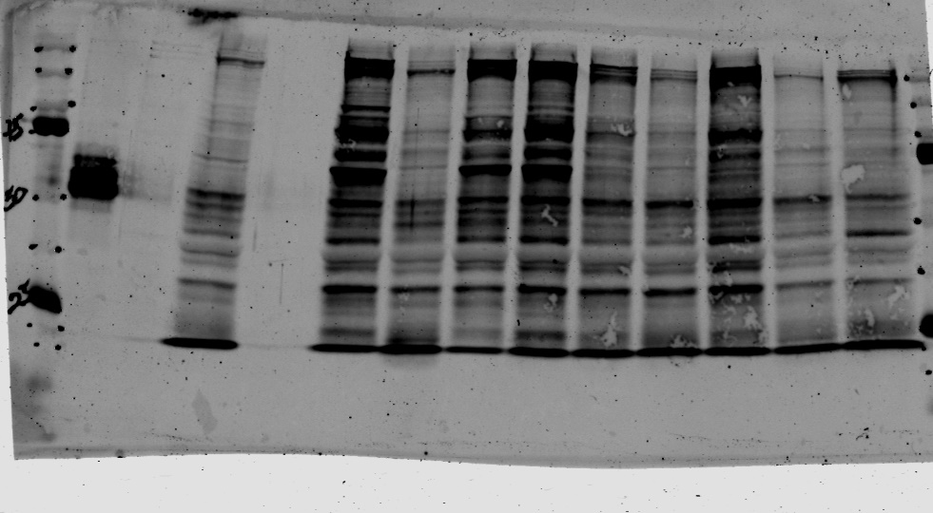
HD | M | 3956.1245117 | 2142.8249426 | 26,286.66 |  | 0.15049932788 | 0.54164749777 | 0.081517584362 |  |  |  | 122.51500117 | 99.1520297 | 121.47314749
HD | F | 4084.7972412 | 2051.7807822 | 20,423.54 |  | 0.20000438911 | 0.50229684879 | 0.1004615744 |  |  |  | 162.81493287 | 91.948642381 | 149.70246898
HD | M | 5406.3346122 | 3110.415162 | 27,120.61 |  | 0.19934414497 | 0.57532790423 | 0.11468824915 |  |  |  | 162.27745663 | 105.31744295 | 170.90229934
HD | M | 4688.8987165 | 1752.1104255 | 15,726.77 |  | 0.29814763698 | 0.37367205638 | 0.11140944061 |  |  |  | 242.70911111 | 68.403053618 | 166.0163941 |  | Gel 2 Ponceau Rouge
HD | M | 7065.9639021 | 1830.4574922 | 14,803.69 |  | 0.47731105263 | 0.25905276585 | 0.12364874835 |  |  |  | 388.55830782 | 47.421261317 | 184.25475637
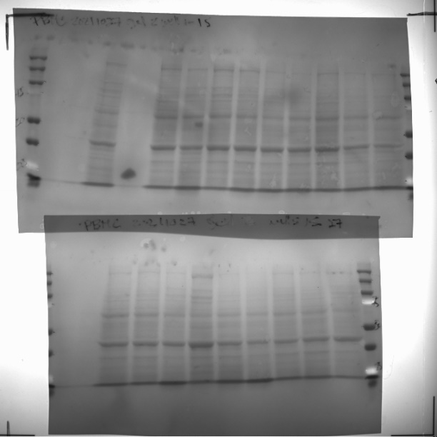
Ctrl | F | 2389.2418775 | 1095.6012038 | 41,906.82 |  | 0.15913546491 | 0.16428610666 | 0.026143745961 |  |  |  | 123.23360599 | 84.136878312 | 108.87927126
CTRL | F | 2292.5188464 | 1128.6395064 | 41,098.82 |  | 0.098115634669 | 0.27989020409 | 0.027461605012 |  |  |  | 75.980193802 | 143.34193269 | 114.36767883
CTRL | F | 1665.427616 | 757.53788352 | 41,104.19 |  | 0.13014841769 | 0.14160525122 | 0.018429699383 | 0.12913317242 | 0.19526052066 | 0.024011683452 | 100.78620021 | 72.521188997 | 76.753049905
HD | F | 2095.4303321 | 1292.0285546 | 47,946.64 | from second scan - adjusted for different intensity | 0.096740657109 | 0.27855112636 | 0.026947219002 |  |  |  | 74.915418939 | 142.65614238 | 112.22544665
HD | M | 1872.3646763 | 941.50664418 | 39,307.85 |  | 0.097887631064 | 0.24469004606 | 0.023952128953 |  |  |  | 75.803629097 | 125.3146541 | 99.751976995
HD | F | 1384.4718727 | 566.64155185 | 38,412.46 |  | 0.15698441019 | 0.093967946798 | 0.014751502705 |  |  |  | 121.56784136 | 48.12439631 | 61.434687552
HD | F | 2038.1177455 | 1019.8941637 | 41,764.61 |  | 0.12794817713 | 0.1908589918 | 0.024420060089 |  |  |  | 99.082346329 | 97.745817311 | 101.70074138
HD | M | 2109.6596828 | 1134.256614 | 41,973.40 |  | 0.14348932678 | 0.18832914333 | 0.027023221991 |  |  |  | 111.11732492 | 96.450190083 | 112.54197168 |  |  | Gel 2 wells 1-15 Tau13 700 | Gel 2 wells 1-15 PS199 800
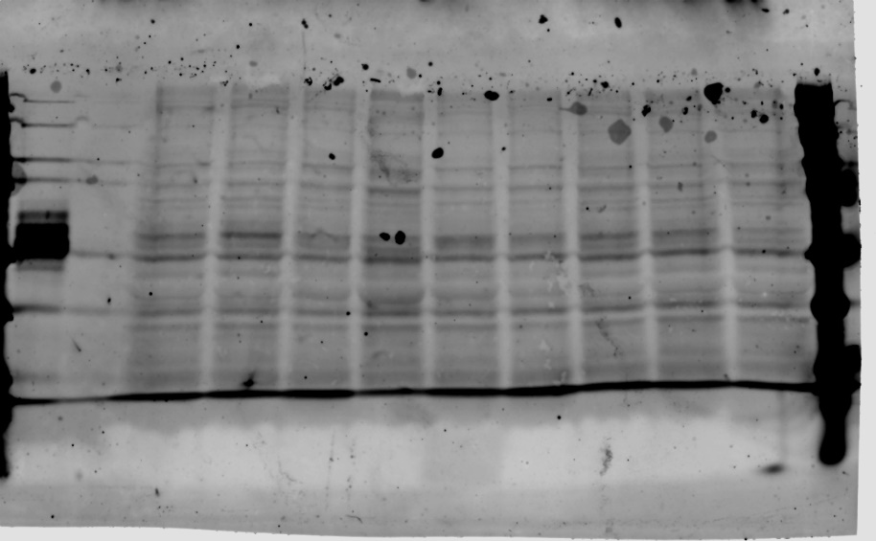
HD | F | 1732.1678137 | 1077.5798562 | 30,646.02 |  | 0.080430823892 | 0.43717254548 | 0.035162148016 |  |  |  | 62.285176135 | 223.89192859 | 146.43766267

 |  | 6170.6496264 | 2464.8845572 | 41,906.82
 |  | 6668.8609653 | 2361.3275643 | 41,098.82
 |  | 4032.4366122 | 1485.2412273 | 41,104.19
 |  | 5349.645419 | 2670.6142134 | 47,946.64
 |  | 4638.3892663 | 1808.7526682 | 39,307.85
 |  | 3847.752123 | 1232.377397 | 38,412.46
 |  | 6030.157848 | 2177.5157524 | 41,764.61
 |  | 5343.7050781 | 2244.4199991 | 41,973.40
 |  | 6022.7354828 | 2454.6526361 | 30,646.02 | exclude-nonquantifiable

 |  |  |  |  |  | Numbers in red indicate values that were non-quantifiable. All such values were excluded from the final analysis
 |  |  |  |  |  |  |  |  |  |  |  |  |  |  |  |  | Gel 2 16-27 Tau-13 700 | Gel 2 16-27 PS199 800

